Index
FIRM ALPHA CO., LTD
since 1995
Tekeyan Business Centre, 50 Khanjyan St., Yerevan 0025, Republic of Armenia
Phone: + 374 10 52 13 56; + 374 10 55 56 13; E-mail: sales@alpha.am, URL: www.alpha.am
Update valid as of August 15, 2025
EXCHANGE RATE: 1 EURO = Exchange Rate by CBA + 5 AMD
Please note - prices are shown on terms Ex-Works the Netherlands! / Цены указаны на условиях Ex-Works the Netherlands!

 |  |  | EMEA Pricelist v2 2025
 |  |  | Distributor (EURO)

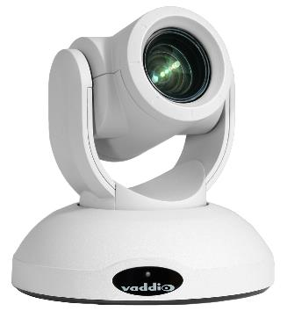
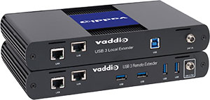
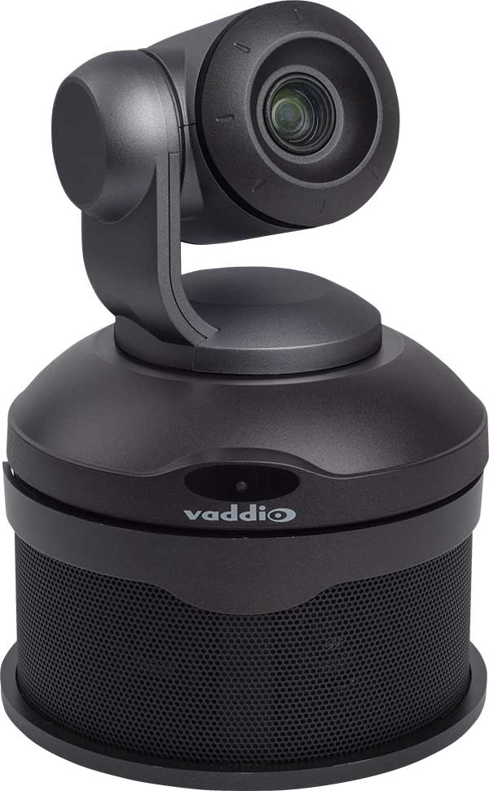
 | All Product Details | Go to page

 | New Products | Go to page

 | EasyIP Ecosystem | Go to page

 | AI Cameras - Autoframing Cameras | Go to page

 | Conferencing Cameras | Go to page
 |  |  |  | All Vaddio products are covered with 3 years Advance Replacements for EMEA customers
 | ConferenceSHOT AV Bundles | Go to page

 | RoboSHOT + PrimeSHOT Direct Output PTZ Cameras | Go to page

 | RoboSHOT Cameras with Extension System | Go to page

 | Architectural Ceiling Cameras | Go to page

 | AV Bridge Family | Go to page

 | OneLINK Camera Extension Systems | Go to page

 | EasyUSB Audio Products for Conferencing | Go to page

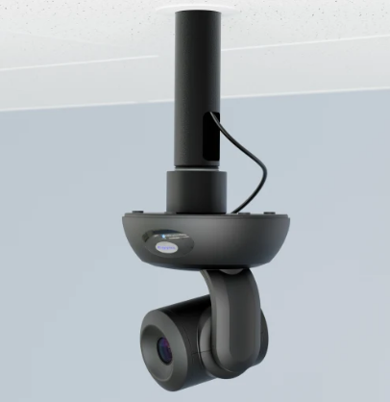
 | Camera Controllers | Go to page

 | RoboTRAK - Presenter Tracking | Go to page

 | Wall Mounts | Go to page

 | Ceiling Mounts and Domes | Go to page

 | Accessories | Go to page

 | Extended Warranty | Go to page

 | End of Life Products | Go to page

Sales and General Inquiries - EMEA Email address: av.emea.sales@legrand.com Phone: +31 495 580 840 / Fax: +31 495 580 845
This Price List is confidential; do not forward this document to others outside your organization.
Despite our best efforts it is possible that some information in this document may be incorrect. No rights can be derived from this publication.
This Price List is valid from 09 May 2025, it will replace all previous versions of this document.

End of Life
FIRM ALPHA CO., LTD
since 1995
Tekeyan Business Centre, 50 Khanjyan St., Yerevan 0025, Republic of Armenia
Phone: + 374 10 52 13 56; + 374 10 55 56 13; E-mail: sales@alpha.am, URL: www.alpha.am
Update valid as of August 15, 2025
EXCHANGE RATE: 1 EURO = Exchange Rate by CBA + 5 AMD
Please note - prices are shown on terms Ex-Works the Netherlands! / Цены указаны на условиях Ex-Works the Netherlands!
 |  |  |  |  | RETURN TO INDEX
EOL Products v2 2025
 | Part Number (EMEA) | Description | Replacement Product
 | 451-5000-012 | 12 Volt Power Supply (5.0A) for MatrixMIX | 451-6670-012 | 12 Volt Power Supply (6.6A) for MatrixMIX
 | 535-2000-045 | Offset Drop-Down Pole for RoboTRAK Mount |  |  | Note: available while supplies last
 | 999-7270-001B | RoboTRAK Base System- Presenter Tracking System (black) |  |  | Note: available while supplies last
 | 999-7271-001 | RoboTRAK Replacement Lanyard |  |  | Note: available while supplies last
 | 999-7272-001 | RoboTRAK Replacement Extended Lanyard |  |  | Note: available while supplies last
 | 999-96450-501 | RoboSHOT 12E HDBT OneLINK Bridge for Polycom Codecs (black)
 | 999-9968-000 | DocCam 20 HDBT Camera Only | 999-99680-000 | DocCam 4K HDBT Document Camera (Camera Only) | Note: available while supplies last
 | 999-9968-201 | DocCam 20 HDBT OneLink HDMI System Kit | 999-99680-201 | DocCam 4K HDBT Document Camera with OneLink HDMI | Note: available while supplies last
 | 999-9968-301 | DocCam 20 HDBT OneLink Bridge System Kit | 999-99680-301 | DocCam 4K HDBT Document Camera with OneLink Bridge | Note: available while supplies last

EOL Products v1 2025
 | Part Number (EMEA) | Description | Replacement Product
 | 535-2000-044 | RoboTRAK Double Decker Wall Mount
 | 998-1111-002 | PresenterPOD Addiontal unit
 | 998-6000-003 | 1-RU Rack Panel for 2 Interfaces
 | 999-1005-021 | Power Extension Module over CAT5
 | 999-1005-152 | USB 2.0 Extenders over CAT5 | C2G54277 | SuperBooster USB Camera Extender- Box to Box
 | 999-1111-001 | PresenterPOD System
 | 999-1511-000 | StepVIEW Mat - Small Exposed
 | 999-1512-000 | StepVIEW Mat - Large Exposed
 | 999-1701-101 | AutoVIEW IR Sensor Kit
 | 999-2225-012 | IN-Wall Enclosure for WideSHOT, ZoomSHOT & Sony EVI-D70
 | 999-2225-014 | IN-WALL ENCLOSURE FOR SONY EVI-HD1
 | 999-2225-018 | IN-WALL ENCLOSURE FOR HD-SERIES CAMERAS
 | 999-2225-019 | IN-WALL ENCLOSURE FOR BRC-Z330/D80/D90
 | 999-2225-220 | IN-Wall Enclosure for LifeSize 10x Camera
 | 999-9520-001 | Polycom Codec Kit for OneLINK HDMI to EagleEye IV
 | 999-9545-001 | Polycom Codec Kit for OneLINK HDMI to RoboSHOT HDBT
 | 999-95450-501 | RoboSHOT 12E HDBT OneLINK HDMI for Polycom Codecs (black)
 | 999-95750-401 | RoboSHOT 12E HDBT OneLINK HDMI for Cisco SX Codecs (black)
 | 999-9620-001 | Polycom Codec Kit for OneLINK Bridge to EagleEye IV
 | 999-9645-001 | Polycom Codec Kit for OneLINK Bridge to RoboSHOT HDBT
 | 999-96750-401 | RoboSHOT 12E HDBT OneLINK Bridge for Cisco SX Codecs (black)
 | 999-99400-401 | RoboSHOT 12E HDMI for Cisco SX Codecs (black)
 | 999-99400-401W | RoboSHOT 12E HDMI for Cisco SX Codecs (white)
 | 999-99400-501 | RoboSHOT 12E HDMI for Polycom Codecs (black)

EOL Products v2 2024
 | Part Number (EMEA) | Description | Replacement Product
 | 535-2000-207 | Thin Profile Wall Mount for Canon VC-C50i (black)
 | 998-1006-232 | EZCamera Control Adapter (RJ-45 to DB9M)
 | 998-1105-002 | Quick-Connect Box Rack Panel
 | 998-9300-002 | Ceiling Mounting Kit for Indoor Pendant Domes
 | 998-9000-200 | DomeVIEW HD Indoor Flush Dome Enclosure for Vaddio PTZ Cameras
 | 998-9000-210 | 12" Clear Dome Accessory (dome only)
 | 998-9000-220 | 12" Smoke Tinted Dome Accessory (dome only)
 | 998-9100-200 | DomeVIEW HD Indoor Pendant Dome Enclosure for Vaddio PTZ Cameras
 | 998-9200-201 | DomeVIEW HD Outdoor Pendant Dome Enclosure for Vaddio PTZ Cameras
 | 998-9300-000 | Wall Mounting Kit for Indoor and Outdoor Pendant Domes
 | 998-9300-001 | Wall Mount with Pole Mounting Kit for Indoor and Outdoor Pendant Domes

EOL Products Q2 2024
 | Part Number (EMEA) | Description | Replacement Product
 | 999-9595-071 | OneLINK Bridge Express Stand Alone INT | 999-9595-001 | OneLINK Bridge (Receiver Only) for Vaddio HDBaseT Cameras
 | 999-9630-071 | OneLINK Bridge Express for Sony/Panasonic Cameras | 999-9630-001 | OneLINK Bridge System for Sony/Panasonic Cameras
 | 999-9660-071 | OneLINK Bridge Express Cisco Camera to Cisco Codec | 999-9660-001 | Cisco Codec Kit for OneLINK Bridge to Cisco Cameras
 | 999-9950-271B | RoboSHOT 20 UHD HDBT OneLINK Bridge Express (black) | 999-9950-201B | RoboSHOT 20 UHD HDBT OneLINK Bridge (black)
 | 999-9950-271W | RoboSHOT 20 UHD HDBT OneLINK Bridge Express (white) | 999-9950-201W | RoboSHOT 20 UHD HDBT OneLINK Bridge System (white)
 | 999-9952-271 | RoboSHOT 40 UHD OneLINK Bridge Express (black) | 999-9952-201 | RoboSHOT 40 UHD OneLINK Bridge System (black)
 | 999-9952-271W | RoboSHOT 40 UHD OneLINK Bridge Express (white) | 999-9952-201W | RoboSHOT 40 UHD OneLINK Bridge System (white)
 | 999-99600-271 | RoboSHOT 12E HDBT OneLINK Bridge Express (black) | 999-99600-201 | RoboSHOT 12E HDBT OneLINK Bridge System (black)
 | 999-99600-271W | RoboSHOT 12E HDBT OneLINK Bridge Express (white) | 999-99600-201W | RoboSHOT 12E HDBT OneLINK Bridge System (white)
 | 999-99630-271 | RoboSHOT 30E HDBT OneLINK Bridge Express (black) | 999-99630-201 | RoboSHOT 30E HDBT OneLINK Bridge System (black)
 | 999-99630-271W | RoboSHOT 30E HDBT OneLINK Bridge Express (white) | 999-99630-201W | RoboSHOT 30E HDBT OneLINK Bridge System (white)
 | 999-9968-371 | DocCam 20 HDBT OneLink Bridge Express Kit | 999-9968-301 | DocCam 20 HDBT OneLink Bridge System Kit
 | 999-99800-271 | RoboFLIP 30 HDBT OneLINK Bridge Express | 999-99800-201 | RoboFLIP 30 HDBT OneLINK Bridge System
 | 535-2000-227 | Wall Mounting Bracket for EVI-HD1 | 535-2000-216 | Thin Profile Wall Mount Bracket for Sony EVI-HD1
 | 440-5600-000 | ProductionVIEW HD Y-C & Composite Cable - 1 ft.
 | 440-5600-001 | ProductionVIEW HD Component Cable - 3 ft.
 | 535-2000-210 | Recessed Ceiling Conversion Kit - CeilingVIEW 70 PTZ
 | 999-2225-050 | In-Ceiling Half-Recessed Enclosure for HD-30, HD-22, HD-20SE, HD-20, HD-19 & HD-18
 | 998-2225-051 | Recessed Installation Kit for IN-Ceiling Half-Recessed Enclosure
 | 998-6000-002 | 1-RU Rack Panel for 3 Interfaces
 | 999-1005-010 | PTZ Camera Control Cable
 | 999-82110-001 | Suspended Ceiling Camera Mount OneLINK HDMI for VAD/SON/PAN
 | 999-82120-001 | Suspended Ceiling Camera Mount OneLINK HDMI for CISCO PREC60/HD
 | 999-82210-001 | Suspended Ceiling Camera Mount OneLINK BRIDGE for Sony/Panasonic
 | 999-82220-001 | Suspended Ceiling Camera Mount OneLINK BRIDGE for CISCO PREC60/HD

EOL Products Q3 2023
 | Part Number (EMEA) | Description | Replacement Product
 | 998-2100-000 | Vaddio IR Remote Commander | 998-2105-000 | Vaddio IR Remote Master

EOL Products Q2 2023
 | Part Number (EMEA) | Description | Replacement Product
 | 440-0008-026 | 8m HDMI Cable
 | 440-0020-065 | 20m HDMI Cable
 | 440-1005-061 | Active Optical Cable, USB 3.0 type A to type B, 8m (USB 3.0 only) | 440-1015-008 | USB 3.2 Gen 2 Type B to Type A Active Optical Cable Plenum, 8m
 | 440-1005-065 | Active Optical Cable, USB 3.0 type A to type B, 15m (USB 3.0 only) | 440-1015-015 | USB 3.2 Gen 2 Type B to Type A Active Optical Cable Plenum, 15m
 | 440-1005-067 | Active Optical Cable, USB 3.0 type A to type B, 30m (USB 3.0 only) | 440-1015-030 | USB 3.2 Gen 2 Type B to Type A Active Optical Cable Plenum, 30m
...

EasyIP Ecosystem
FIRM ALPHA CO., LTD
since 1995
Tekeyan Business Centre, 50 Khanjyan St., Yerevan 0025, Republic of Armenia
Phone: + 374 10 52 13 56; + 374 10 55 56 13; E-mail: sales@alpha.am, URL: www.alpha.am
Update valid as of August 15, 2025
EXCHANGE RATE: 1 EURO = Exchange Rate by CBA + 5 AMD
Please note - prices are shown on terms Ex-Works the Netherlands! / Цены указаны на условиях Ex-Works the Netherlands!
 |  |  |  |  | RETURN TO INDEX
Vaddio EasyIP Ecosystem
Color | Part Number (EMEA) | Picture | Description | MSRP (EURO)
EasyIP 10 Camera
Black | 999-30200-000 | 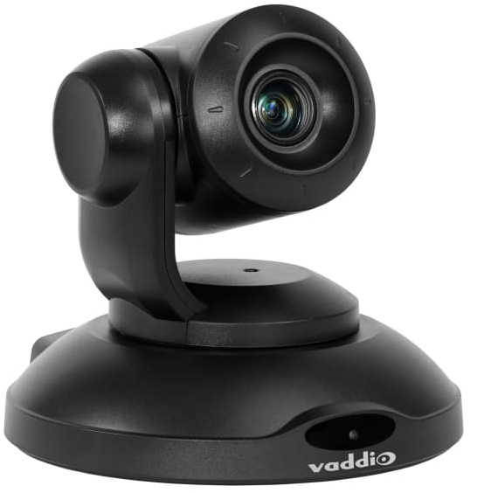 | EasyIP 10 Camera (black) The EasyIP 10 Camera is an integral part of the EasyIP Ecosystem, an AV-over-IP solution for videoconferencing in small, medium and large conference rooms. It delivers 1080p/60 resolution feeds for UC soft clients and connects to a 1 GB PoE+ switch – eliminating the need for costly USB extensions. The EasyIP 10 Camera delivers high definition imaging, exceptional color reproduction and fine detail. With a 74-degree wide horizontal field of view and 10x optical zoom, EasyIP 10 Camera, as part of the EasyIP Ecosystem, is ideal for meeting spaces in corporate, healthcare, government and education environments. This Package Includes: • EasyIP 10 Camera (black) • IR Remote Commander • One 3m Cat5e Snagless Cable • Wall Mount Kit | € 2,495.00
White | 999-30200-000W | 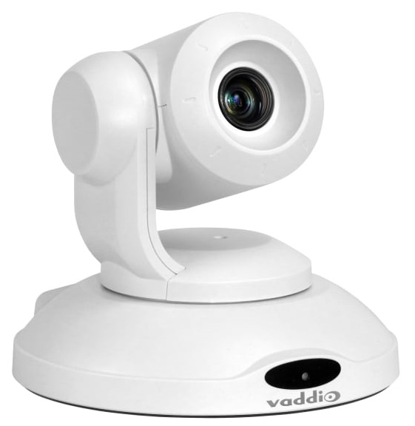 | EasyIP 10 Camera (white) The EasyIP 10 Camera is an integral part of the EasyIP Ecosystem, an AV-over-IP solution for videoconferencing in small, medium and large conference rooms. It delivers 1080p/60 resolution feeds for UC soft clients and connects to a 1 GB PoE+ switch – eliminating the need for costly USB extensions. The EasyIP 10 Camera delivers high definition imaging, exceptional color reproduction and fine detail. With a 74-degree wide horizontal field of view and 10x optical zoom, EasyIP 10 Camera, as part of the EasyIP Ecosystem, is ideal for meeting spaces in corporate, healthcare, government and education environments. This Package Includes: • EasyIP 10 Camera (black) • IR Remote Commander • One 3m Cat5e Snagless Cable • Wall Mount Kit | € 2,495.00
EasyIP 20 Camera
Black | 999-30230-000 | 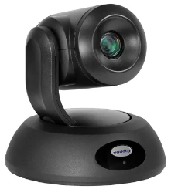 | EasyIP 20 Camera (black) Professional Class, HD PTZ Camera featuring: • 20x optical zoom, 70.2° horizontal field of view, 1/2.5-type Exmor R CMOS sensor • Tri-Synchronous Motion (simultaneous 3-axis motion) • Simultaneous EasyIP stream and HDMI outputs @ 1080p/60 • 1080p/60 low latency stream to EasyIP receivers like EasyIP Mixer and EasyIP Decoder • Compatible with RoboTRAK presenter tracking system Includes: • EasyIP 20 Camera (black) • Thin Profile Wall Mount (matching camera color) with mounting hardware • Vaddio IR Remote Commander | € 2,995.00
White | 999-30230-000W | 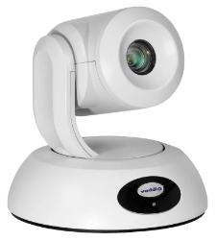 | EasyIP 20 Camera (white) Professional Class, HD PTZ Camera featuring: • 20x optical zoom, 70.2° horizontal field of view, 1/2.5-type Exmor R CMOS sensor • Tri-Synchronous Motion (simultaneous 3-axis motion) • Simultaneous EasyIP stream and HDMI outputs @ 1080p/60 • 1080p/60 low latency stream to EasyIP receivers like EasyIP Mixer and EasyIP Decoder • Compatible with RoboTRAK presenter tracking system Includes: • EasyIP 20 Camera (white) • Thin Profile Wall Mount (matching camera color) with mounting hardware • Vaddio IR Remote Commander | € 2,995.00
EasyIP 30 ePTZ Auto-Tracking Camera
Black | 999-30250-000 | 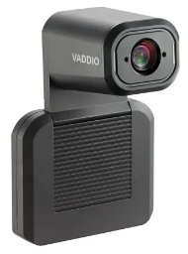 | EasyIP 30 ePTZ Auto-Tracking Camera (black) The EasyIP version of our popular IntelliSHOT® professional camera is now also available.It makes video collaboration and streaming classes easy and effortless. Equipped with advanced IntelliFrameTM technology, the EasyIP 30 ePTZ camera is the only auto-framing device that can be adjusted based on the room conditions and user’s preferences. Key Features: Advanced Intelligent Framing algorithms keep your participants in view 30x zoom with 70.2 degree field of view PoE+ powered EasyIP streaming output Includes wall-mount in the box, optional cart- and display mounts available from CHIEF | € 2,495.00
Black | 999-30250-000W | 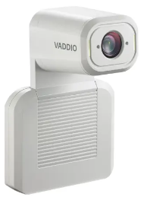 | EasyIP 30 ePTZ Auto-Tracking Camera (white) The EasyIP version of our popular IntelliSHOT® professional camera is now also available.It makes video collaboration and streaming classes easy and effortless. Equipped with advanced IntelliFrameTM technology, the EasyIP 30 ePTZ camera is the only auto-framing device that can be adjusted based on the room conditions and user’s preferences. Key Features: Advanced Intelligent Framing algorithms keep your participants in view 30x zoom with 70.2 degree field of view PoE+ powered EasyIP streaming output Includes wall-mount in the box, optional cart- and display mounts available from CHIEF | € 2,495.00
EasyIP 5 ePTZ Camera
Black | 999-30150-000 | 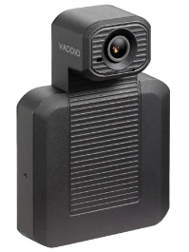 | EasyIP 5 ePTZ Camera (black) An HD ePTZ camera with IntelliFrame™ motion-based auto-framing that makes video conferencing and live streaming effortless. Key Features: 5x zoom with 100° horizontal field of view One EasyIP (PoE+) network video output, plug-and-play with EasyIP endpoints Customizable auto-framing for a variety of environments https://www.legrandav.com/products/cameras/av_over_ip/easyip-5-eptz-camera/999-30150-000 | € 1,295.00
EasyIP Components
Black | 999-60210-000 |  | EasyIP Decoder The EasyIP Decoder is part of the EasyIP Ecosystem, an AV-over-IP solution for videoconferencing. The EasyIP Decoder controls and switches cameras, and provides a USB 3.0 stream of video and audio to the conference room’s connected PC or BYOD to use with web-based conferencing systems. Key Features: • Supports up to four EasyIP cameras and two Vaddio EasyMIC microphones (TableMIC or CeilingMIC) • Balanced Line-Out, optional Line-In/Out with the EasyMIC Audio Adapter (sold separately) • Allows seamless control of cameras using remote UVC controls • Provides USB 3.0 output up to 1080p/60 • Switch camera sources through WebUI, telnet control or EasyMIC TableMIC home button • PoE+ powered This Package Includes: • EasyIP Decoder • 3 ft (0.91 m) Cat-5 cable • 6 ft (1.8 m) USB 3.0 cable • 3.5 mm Euro connector • Single 1/2 Rack Mounting Kit | € 995.00
Black | 999-60320-000 |  | EasyIP Mixer Compact A/V switcher supporting four EasyIP Camera video feeds plus an HDMI source 4x4 Dante Audio matrix (10x12 cross-point audio matrix for Dante, analog and digital sources) with AEC Concurrent 1080p/60 USB 3.0 and HDMI output Flexible control options with serial, telnet, trigger, Vaddio Device Controller, and web control Picture-in-Picture support of HDMI + EasyIP source (PIP (4 corners), Side-by-Side and Under/Over layout) on HDMI and USB Graphical overlay channel with partial transparency support This Package Includes: EasyIP Mixer PoE+ Midspan Power Injector with AC cord set(s) 3 ft (0.9 m) cat-5 cable, black 6 ft (1.8 m) USB 3.0 cable, type A to B 6 qty 3-position phoenix-style connectors Half-Rack mounting kit (for mounting the EasyIP Mixer into a full rack space) | € 2,495.00
Black | 999-60430-000 |  | EasyIP Dock - Multi camera switcher - Content sharing A compact A/V switcher in the EasyIP ecosystem, the EasyIP Dock connects in EasyIP cameras, video, and audio to a computer while simultaneously extending that computer’s HDMI output over the network for flexible presentation and conferencing spaces. https://www.legrandav.com/products/av_to_usb_bridges/av_over_ip/easyip-dock/999-60430-000 | € 2,375.00
Black | 999-60600-000 |  | EasyIP Tx/Rx - HDMI Encoder/Decoder An adaptable video distribution and extension solution that converts an HDMI signal to EasyIP or EasyIP to HDMI. This two-in-one device is designed to offer a simple way to add features and functionality to your EasyIP environments. Key Features: Converts HDMI signals to EasyIP for flexible distribution to EasyIP endpoints OR receives EasyIP signals and converts to HDMI for local viewing PoE+ power and compact design enable discreet installation behind displays, under tables, or in AV racks Dante, analog, and EasyIP audio routing options Intuitive web interface for easy configuration and routing of video and audio streams Auto-switching functionality for convenient transitions between different AV sources https://www.legrandav.com/products/accessories/av_over_ip/easyip-tx-rx/999-60600-000 | € 795.00
Black | 999-11208-001 |  | EasyIP Switch The EasyIP Switch is preconfigured for use with Vaddio EasyIP products for plug & play installations. The EasyIP Switch features rear panel ports and front facing LEDs (user selectable blue/green colors) for clean integration with AV rack systems. The switch includes 8 PoE+ ports, with a total power budget of 130 Watts, capable of powering all EasyIP products. Preconfigured with all the settings needed for building an optimal EasyIP network, including DHCP server settings. Consult with your IT manager before connecting the switch to an existing network. NOTE: For a limited amount of time we reserve the right to replace 12-port version with 18-port version at the same price. This Package Includes: • 12-port/8 PoE+ Gigabit Managed Switch • EU + UK Power Cords • Rack Mount Kit | € 615.00
Black | 999-42300-000 | 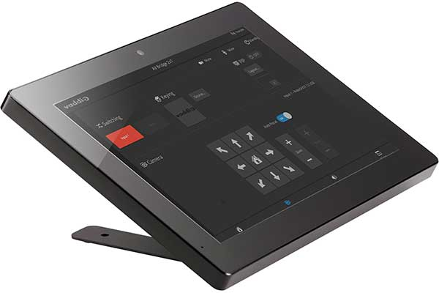 | Vaddio Device Controller The Vaddio Device Controller is a 10-inch color touch panel designed to easily access and control Vaddio devices through their web-based user interfaces. Very convenient for controlling devices like EasyIP Decoder, EasyIP Mixer and AV Bridge 2x1, but can be used to control any modern Vaddio device. Key Features: Compatible with all Vaddio products with modern web-based user interfaces PoE+ powered for simple installation Commercial-grade steel tabletop mount This Package Includes: Vaddio Device Controller touch panel Product Manual Thin profile tabletop mount | € 734.00
EasyIP Dante Audio Devices
Black | 999-85300-000 | 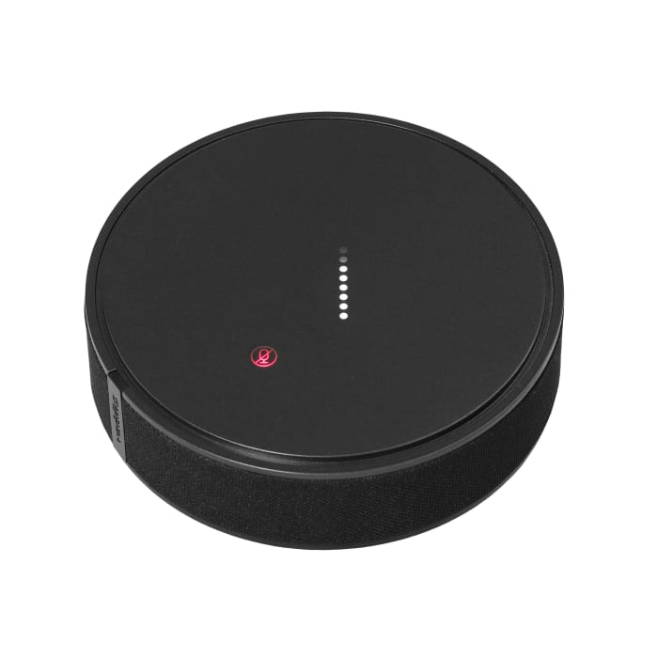 | EasyIP TableMIC D Microphone (black) Deliver professional-quality audio into your PC system for superior conferencing experiences. EasyIP TableMIC D microphones connect to audio systems that utilize Dante networked audio signals. Up to four EasyIP TableMIC D microphones can be paired with the popular EasyIP Mixer and AV Bridge 2x1 products for excellent room coverage. Key Features Dante networked audio signal for easy system routing Capacitive touch mute control and acoustical fabric wrap Engineered for superior isolation from table vibrations Three microphone elements with 360-degree coverage | € 865.00
White | 999-85300-000W | 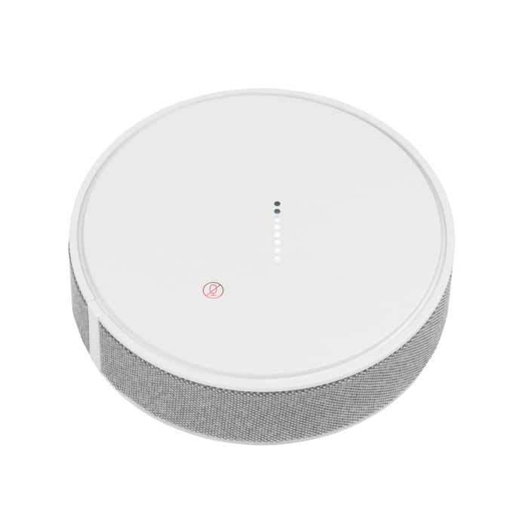 | EasyIP TableMIC D Microphone (white) Deliver professional-quality audio into your PC system for superior conferencing experiences. EasyIP TableMIC D microphones connect to audio systems that utilize Dante networked audio signals. Up to four EasyIP TableMIC D microphones can be paired with the popular EasyIP Mixer and AV Bridge 2x1 products for excellent room coverage. Key Features Dante networked audio signal for easy system routing Capacitive touch mute control and acoustical fabric wrap Engineered for superior isolation from table vibrations Three microphone elements with 360-degree coverage | € 865.00
White | 999-85810-000 | 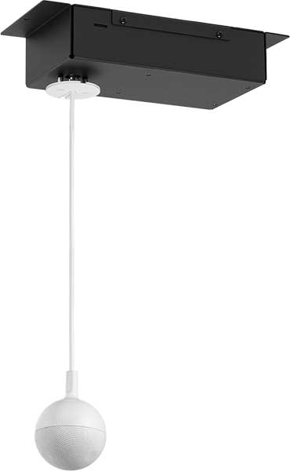 | EasyIP CeilingMIC D (white) EasyIP CeilingMIC D overhead microphones with Dante networked audio deliver professional audio quality for superior conferencing experiences. For use with EasyIP Mixer or AV Bridge 2x1. Key Features: Dante networked audio signal for easy system routing Three-element array head with LED mute status indicator for 360 degree pickup Design allows for custom ceiling drop cable length (up to 5m) and easy installation Built-in digital signal processor (DSP) with AEC, equalization, filtering and automatic gain control (AGC) PoE Powered Add up to 4 CeilingMICs to one EasyIP Mixer/AV Bridge 2x1 This Package Includes: EasyIP CeilingMIC D microphone pendant (white) and interface box 0.9 m White Cat5e Cable Ceiling Mounting Hardware | € 929.00
Black | 999-85820-000 | 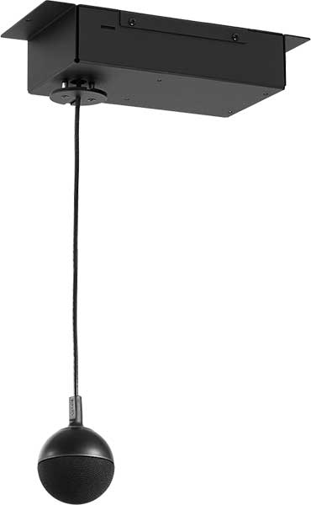 | EasyIP CeilingMIC D (black) EasyIP CeilingMIC D overhead microphones with Dante networked audio deliver professional audio quality for superior conferencing experiences. For use with EasyIP Mixer or AV Bridge 2x1. Key Features: Dante networked audio signal for easy system routing Three-element array head with LED mute status indicator for 360 degree pickup Design allows for custom ceiling drop cable length (up to 5m) and easy installation Built-in digital signal processor (DSP) with AEC, equalization, filtering and automatic gain control (AGC) PoE Powered Add up to 4 CeilingMICs to one EasyIP Mixer/AV Bridge 2x1 This Package Includes: EasyIP CeilingMIC D microphone pendant (black) and interface box 0.9 m Black Cat5e Cable Ceiling Mounting Hardware | € 929.00
Black | 999-86300-000 |  | EasyIP AMP D The EasyIP AMP D is a half-rack PoE+ powered amplifier featuring Dante networked audio. A single ethernet cable provides power and a Dante audio signal to the EasyIP AMP D and the amplifier’s speaker output provides up to 25 watts of power to a connected speaker. Key Features: Brings an analog speaker into your EasyIP or Dante environment Dante networked audio – manage with the Dante Controller application from Audinate 1 RU, half-rack chassis PoE+ or PoE power; adaptive output – 25 W if powered by an EasyIP Switch or other PoE+ source, 15 W if powered by a PoE source | € 429.00
White | 999-86650-000 | 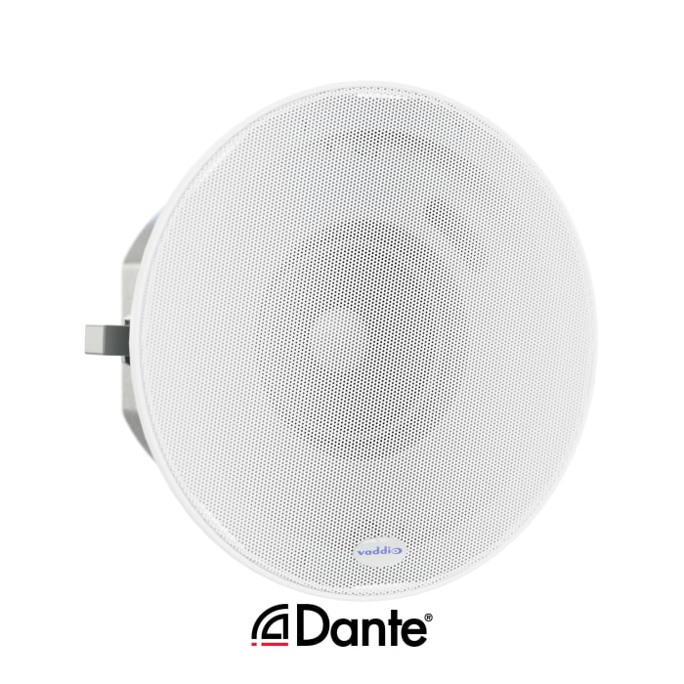 | EasyIP Ceiling Speaker D The EasyIP Ceiling Speaker D with Dante networked audio is optimized for easy installation and accurate voice reproduction. Ideal for conference rooms and classrooms. Key Features: Dante networked audio 2-way speaker optimized for vocal clarity Ceiling or wall mountable Magnetic speaker grille and RJ45, Cat.5 cable connection Included ceiling tile brace | € 545.00
White | 999-86810-000 | 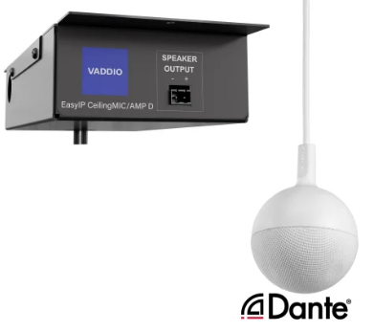 | EasyIP CeilingMIC/AMP D (white microphone) The EasyIP CeilingMIC/AMP D is an in-ceiling audio solution with an overhead microphone and a built-in speaker amplifier, both featuring Dante networked audio. Key Features: 2-in-1 unit makes Dante networked audio even easier to implement Three-element microphone array for 360° coverage with built-in echo-cancellation Brings an analog speaker into your EasyIP or Dante environment Dante networked audio – manage with the Dante Controller application from Audinate PoE+ or PoE power; adaptive output – 25 W if powered by an EasyIP Switch or other PoE+ source, 15 W if powered by a PoE source | € 1,249.00
Black | 999-86820-000 | 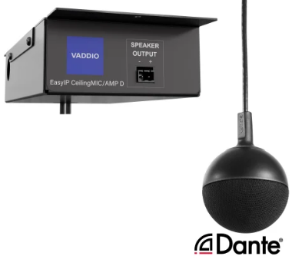 | EasyIP CeilingMIC/AMP D (black microphone) The EasyIP CeilingMIC/AMP D is an in-ceiling audio solution with an overhead microphone and a built-in speaker amplifier, both featuring Dante networked audio. Key Features: 2-in-1 unit makes Dante networked audio even easier to implement Three-element microphone array for 360° coverage with built-in echo-cancellation Brings an analog speaker into your EasyIP or Dante environment Dante networked audio – manage with the Dante Controller application from Audinate PoE+ or PoE power; adaptive output – 25 W if powered by an EasyIP Switch or other PoE+ source, 15 W if powered by a PoE source | € 1,249.00
EasyIP 10 Camera kits
Black | 999-30201-001 |  | EasyIP 10 Base Kit (black) The EasyIP Ecosystem is an AV-over-IP conferencing system in a box. It delivers professional-quality conference feeds for UC soft clients and simplifies the BYOD conferencing experience by moving videoconferencing onto the network. This networked videoconferencing system allows you to use up to four PTZ cameras in your meeting room, without needing a video switch. It’s a simple AV-over-IP solution for extended and networked conferencing in meeting rooms, boardrooms and training rooms alike. The Base Kit includes everything you need to get started with AV-over-IP conferencing in one easy-to-order bundle including one EasyIP Camera, one EasyIP Decoder and one Luxul AV Switch. Key Features • Designed for flexible configuration in small, medium and large conference rooms • Ideal for spaces with room dividers or partitions • Provides USB 3.0 connection to leading web services: Teams/Skype for Business, Zoom, WebEx, BlueJeans, Google Meet and others This Package Includes: • EasyIP 10 Camera (black) • EasyIP Decoder • EasyIP Switch | € 3,940.00
White | 999-30201-001W |  | EasyIP 10 Base Kit (white) The EasyIP Ecosystem is an AV-over-IP conferencing system in a box. It delivers professional-quality conference feeds for UC soft clients and simplifies the BYOD conferencing experience by moving videoconferencing onto the network. This networked videoconferencing system allows you to use up to four PTZ cameras in your meeting room, without needing a video switch. It’s a simple AV-over-IP solution for extended and networked conferencing in meeting rooms, boardrooms and training rooms alike. The Base Kit includes everything you need to get started with AV-over-IP conferencing in one easy-to-order bundle including one EasyIP 10 Camera, one EasyIP Decoder and one Luxul AV Switch. Key Features • Designed for flexible configuration in small, medium and large conference rooms • Ideal for spaces with room dividers or partitions • Provides USB 3.0 connection to leading web services: Teams/Skype for Business, Zoom, WebEx, BlueJeans, Google Meet and others This Package Includes: • EasyIP 10 Camera (white) • EasyIP Decoder • EasyIP Switch | € 3,940.00
Black | 999-60321-001 |  | EasyIP 10 Mixer Base Kit (black) The EasyIP Ecosystem is an AV-over-IP system in a box. It delivers professional-quality conference feeds for UC soft clients and simplifies the BYOD conferencing experience by moving video and audio onto the network. The EasyIP Mixer combines Dante audio with up to four EasyIP Cameras and one HDMI input for our easiest production switcher to date. This Package Includes: • EasyIP 10 Camera (black) • EasyIP Mixer • EasyIP Switch with UK and EU power cords | € 5,315.00
White | 999-60321-001W |  | EasyIP 10 Mixer Base Kit (white) The EasyIP Ecosystem is an AV-over-IP system in a box. It delivers professional-quality conference feeds for UC soft clients and simplifies the BYOD conferencing experience by moving video and audio onto the network. The EasyIP Mixer combines Dante audio with up to four EasyIP Cameras and one HDMI input for our easiest production switcher to date. This Package Includes: • EasyIP 10 Camera (white) • EasyIP Mixer • EasyIP Switch with UK and EU power cords | € 5,315.00
EasyIP 20 Camera kits
Black | 999-30231-001 | 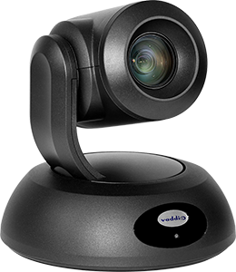 | EasyIP 20 Mixer Base Kit (black) The EasyIP Ecosystem is an AV-over-IP system in a box. It delivers professional-quality conference feeds for UC soft clients and simplifies the BYOD conferencing experience by moving video and audio onto the network. The EasyIP Mixer combines Dante audio with up to four EasyIP Cameras and one HDMI input for our easiest production switcher to date. This Package Includes: • EasyIP 20 Camera (black) • EasyIP Mixer • EasyIP Switch with UK and EU power cords | € 5,845.00
White | 999-30231-001W | 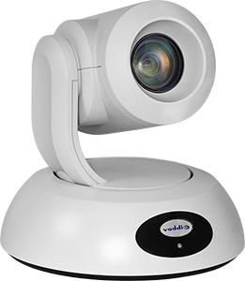 | EasyIP 20 Mixer Base Kit (white) The EasyIP Ecosystem is an AV-over-IP system in a box. It delivers professional-quality conference feeds for UC soft clients and simplifies the BYOD conferencing experience by moving video and audio onto the network. The EasyIP Mixer combines Dante audio with up to four EasyIP Cameras and one HDMI input for our easiest production switcher to date. This Package Includes: • EasyIP 20 Camera (white) • EasyIP Mixer • EasyIP Switch with UK and EU power cords | € 5,845.00
Black | 999-30232-001 |  | EasyIP 20 Base Kit (black) The EasyIP Ecosystem is an AV-over-IP conferencing system in a box. It delivers professional-quality conference feeds for UC soft clients and simplifies the BYOD conferencing experience by moving videoconferencing onto the network. This networked videoconferencing system allows you to use up to four PTZ cameras in your meeting room, without needing a video switch. It’s a simple AV-over-IP solution for extended and networked conferencing in meeting rooms, boardrooms and training rooms alike. The Base Kit includes everything you need to get started with AV-over-IP conferencing in one easy-to-order bundle including one EasyIP 20 Camera, one EasyIP Decoder and one Luxul AV Switch. This Package Includes: • EasyIP 20 Camera (black) • EasyIP Decoder • EasyIP Switch | € 4,420.00
White | 999-30232-001W |  | EasyIP 20 Base Kit (white) The EasyIP Ecosystem is an AV-over-IP conferencing system in a box. It delivers professional-quality conference feeds for UC soft clients and simplifies the BYOD conferencing experience by moving videoconferencing onto the network. This networked videoconferencing system allows you to use up to four PTZ cameras in your meeting room, without needing a video switch. It’s a simple AV-over-IP solution for extended and networked conferencing in meeting rooms, boardrooms and training rooms alike. The Base Kit includes everything you need to get started with AV-over-IP conferencing in one easy-to-order bundle including one EasyIP 20 Camera, one EasyIP Decoder and one Luxul AV Switch. This Package Includes: • EasyIP 20 Camera (white) • EasyIP Decoder • EasyIP Switch | € 4,420.00

AV Bridge Family
FIRM ALPHA CO., LTD
since 1995
Tekeyan Business Centre, 50 Khanjyan St., Yerevan 0025, Republic of Armenia
Phone: + 374 10 52 13 56; + 374 10 55 56 13; E-mail: sales@alpha.am, URL: www.alpha.am
Update valid as of August 15, 2025
EXCHANGE RATE: 1 EURO = Exchange Rate by CBA + 5 AMD
Please note - prices are shown on terms Ex-Works the Netherlands! / Цены указаны на условиях Ex-Works the Netherlands!
 |  |  |  |  | RETURN TO INDEX
AV Bridge Family
Color | Part Number (EMEA) | Picture | Description | MSRP (EURO)
AV Bridge Products
Black | 999-82600-000 |  | AV Bridge Nano A highly portable video capture and streaming device with conferencing capabilities for IT professionals. Key Features: Converts an HDMI source into plug-and-play USB and IP connections for use in soft-conferencing or streaming software Single device capable of USB or IP streaming (up to 1080p/60 quality with USB 3.0) Compact size, portable and perfect for under-table or behind-display mounting Note: Installers looking for simultaneous USB and IP streaming, PoE power, rack-mounting or more full-featured conference/meeting room solutions should consider AV Bridge Mini or AV Bridge 2x1. This Package Includes: AV Bridge Nano 12V power supply with international adapter plugs 3 ft. (0.9m) USB 3.0 cable, type C to A Quick-start card | € 990.00
Black | 999-8240-001 |  | AV Bridge Mini Ideal for lecture capture, conference rooms and video conferencing applications, the AV Bridge Mini encodes, captures and streams content from a convenient half-rack unit size. With the AV Bridge Mini HD Audio/Video Encoder, you can bridge any high definition HDMI and audio source into soft conferencing applications such as Skype for Business, Zoom and WebEx through its powerful USB 3.0 interface. Creating production-quality live streams on platforms like YouTube Live, UStream, LiveStream and Panopto has never been easier with the AV Bridge Mini’s flexible RTMP capabilities. Includes: AV Bridge Mini PoE Power Injector with AC cord set(s) 3' (0.9m) cat-5 cable, black 6' (1.8m) USB 3.0 cable, type A to B 4 qty 3-position phoenix-style connectors Rack mounting kit (for mounting the AV Bridge Mini into a full rack space) | € 2,273.00
Black | 999-8250-001 |  | AV Bridge 2x1 AV Bridge 2x1 is a 2 HDMI input, HDMI/USB 3.0/IP Stream output switcher with Dante audio support Create flexible dual camera conferencing and lecture capture scenarios with the new AV Bridge 2x1. Add analog, digital and Dante audio and output to HDMI, USB 3.0 and IP stream outputs with a full 12x12 audio matrix. Key features: • Video inputs: 2x HDMI (up to 1080p/60) with digital audio • Video outputs: 1x HDMI, 1x USB 3.0 (up to 1080p/60) and RTMP/RTSP IP stream (up to 1080p/30) • Audio inputs: 4x Dante IP channels, 2x analog balanced mic/line, stereo USB 3.0, 2x stereo digital HDMI • Audio outputs: 4x Dante IP channels, 2x analog balanced line, stereo USB 3.0, stereo digital HDMI, stereo IP stream • Video effects: Cut, dissolve, fade to black, Picture in Picture (4 corners), Side by Side and Under/Over display • Dry Contact trigger inputs, RS-232 and telnet IP control, full admin web UI and Vaddio Device Controller • USB UVC camera PTZ control of connected RoboSHOT camera from UC software client • 1 static graphics channel for picture overlays with transparency Includes: AV Bridge 2x1 PoE+ power injector + power cords 0.9 m cat-5 cable, black 1.8 m USB 3.0 cable, type A to B 6 qty 3-position phoenix-style connectors Half-Rack mounting kit (for mounting the AV Bridge 2x1 into a full rack space) | € 3,089.00
Black | 999-5660-001 |  | AV Bridge MatrixMIX Multipurpose AV Switcher The AV Bridge MatrixMIX is the industry’s first AV production switcher that brings live event production to UC applications such as Skype for Business, WebEx and Google Hangouts. ● Works in multiple applications – live production, automated presentation and unified conferencing and collaboration ● Multi-functional feature set – combines switching, advanced camera control, streaming and graphics mixing capabilities ● Enhance live events with seamless switching of cameras and media content ● Easy to use – create a first-rate production without extensive training ● 8x2 video mixer that also provides multiviewer output ● 11x7 audio mixer supports analog, HDMI, USB and IP audio channels ● Embedded RTSP IP and USB 3.0 output streaming ● Two graphic keying layers per output channel | € 9,146.00
Black | 999-5660-501 | 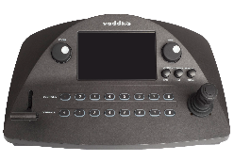 | AV Bridge MatrixMIX Production System Includes: ● AV Bridge MatrixMIX Multipurpose AV Switcher ● PCC MatrixMIX | € 12,199.00
Triggers and Accessories for AV Bridge family
Black | 999-80000-027 | 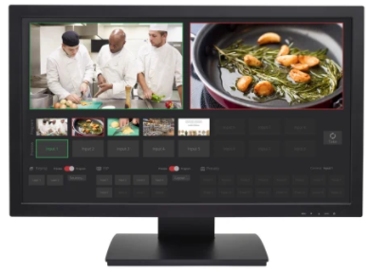 | TeleTouch 27 Inch USB Touch-Screen Multiviewer for MatrixMIX The TeleTouch 27" USB Touch-Screen Multiviewer works in conjunction with the AV Bridge MatrixMIX switcher for an easy-to-use, intuitive control interface that is perfect for both occasional and everyday users. Key Features: Adds touch interactivity to the AV Bridge MatrixMIX for an enhanced user experience 27 in (68.6 cm) diagonal capacitive touch screen surface Crisp 1080p image; smudge-resistant screen 100x100 and 200x100 VESA mounting pattern for additional mounting options | € 2,664.00
Black | 999-5755-001 | 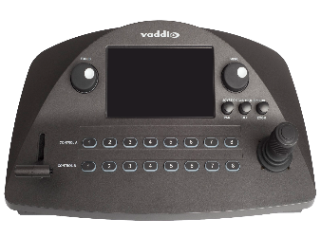 | PCC MatrixMIX Camera controller designed for use with the AV Bridge MatrixMIX AV Switcher ● Integrates video switching, camera control, and graphics mixing into a single ergonomic user interface ● Easy-to-find camera functions, pan, tilt and zoom speed control knobs ● Illuminated push buttons for camera selection ● Large focus knob for fine control with auto/manual toggle and three-axis Hall-effect joystick ● Embedded web server for control anywhere | € 3,983.00
Black | 998-5000-003 |  | Precision Camera Controller Premier/MatrixMIX Rack Ears ● 6-RU Rack Mount ears fit Precision Camera Controller Premier and PCC MatrixMIX | € 117.00
Black | 998-6000-007 | 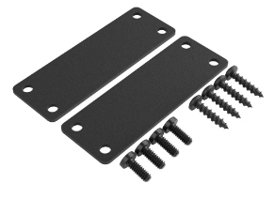 | Mounting brackets for Vaddio desktop enclosures Mounting brackets to mount the compact Vaddio desktop enclosures under the table or onto a Middle Atlantic rack shelf Compatible with: - AV Bridge Nano - EasyIP Tx/Rx - future products For more details visit the legrandav.com website. | € 47.00
Black | 999-9995-331 | 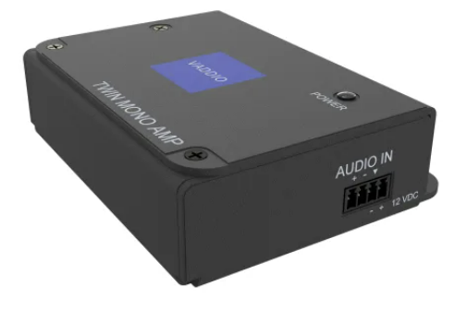 | Twin Mono AMP The Twin Mono AMP is an 8 Ohm 30 Watt mono power audio amplifier with a single differential input feeding two amplified outputs, each capable of driving into loads as low as 4 ohm. Ensure remote participants in small and medium conference rooms or classrooms are heard in collaboration and conferencing environments. An ideal solution for incorporating ceiling speakers with a Vaddio ConferenceSHOT AV videoconferencing PTZ camera and microphone bundle. Also perfect for connecting the Vaddio IntelliSHOT or ConferenceSHOT ePTZ cameras with a speaker bar like the Vaddio Easy Talk Soundbar. Use the Twin Mono AMP in combination with a variety of Vaddio AV Bridge products to easily incorporate professional quality speakers in collaboration spaces. Key Features: Two channels at 15 W per channel Additional connectors provided for making custom length cables Durable, professional all-metal enclosure suitable for free-standing, surface-mounted or rack-mounted operation LED power indicator light and 15 V 2A power supply included | € 239.00

Conferencing Cameras
FIRM ALPHA CO., LTD
since 1995
Tekeyan Business Centre, 50 Khanjyan St., Yerevan 0025, Republic of Armenia
Phone: + 374 10 52 13 56; + 374 10 55 56 13; E-mail: sales@alpha.am, URL: www.alpha.am
Update valid as of August 15, 2025
EXCHANGE RATE: 1 EURO = Exchange Rate by CBA + 5 AMD
Please note - prices are shown on terms Ex-Works the Netherlands! / Цены указаны на условиях Ex-Works the Netherlands!
 |  |  |  |  | RETURN TO INDEX
Conferencing Camera Solutions
Color | Part Number (EMEA) | Picture | Description | MSRP (EURO)
Venture VideoBAR (Shipping September 2024)
Black | 999-50909-000 |  | Venture VideoBAR The Venture VideoBAR is a comprehensive 4K video conferencing solution that delivers premium audio and video quality in one easy-to-use device. With advanced tracking technology, a wide-angle field of view, and crystal-clear audio from its built-in beamforming microphone array, this all-in-one system ensures every participant is seen and heard with lifelike clarity. Whether it's a small meeting room or a larger boardroom, Venture VideoBAR offers seamless integration and remote management, making it the ideal choice for enhancing remote collaboration and communication. https://www.legrandav.com/products/cameras/video-conferencing-camera/venture-videobar-all-in-one-conferencing-camera/999-50909-000 | € 995.00
Black | 999-85909-000 | 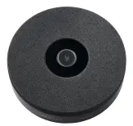 | Venture TableMIC The Venture TableMIC is the ideal accessory for extending the microphone coverage of your Venture VideoBAR, ensuring every voice is heard clearly even in larger or uniquely shaped rooms. With its 360° coverage and a 20-foot pickup radius, this three-element array head guarantees clear audio throughout the space. Simple to set up and easy to control with its universal mute button, the Venture TableMIC enhances your conferencing experience by delivering consistent sound quality in any meeting environment. https://www.legrandav.com/products/audio/microphones/venture-tablemic-expansion-microphone | € 275.00
Black | 535-50909-000 | 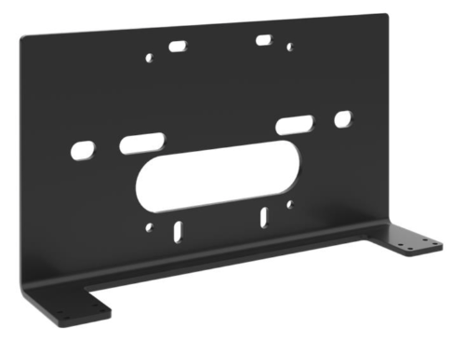 | Venture VideoBAR DeLuxe Wall Mount Optional wall mount that replaces the standard table mount and provides a clean install for either wall mounting or attaching the Venture VideoBAR to various CHIEF carts and mounts. | € 83.00

RoboSHOT 30E-M PTZ Camera (TEAMS CERTIFIED)
Black | 999-21132-001 | 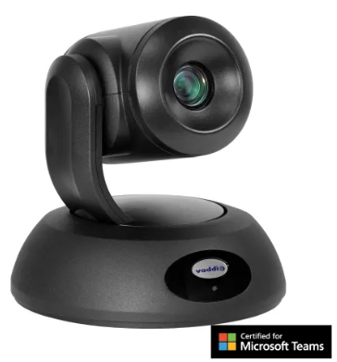 | RoboSHOT 30E-M HD PTZ Camera (black) The RoboSHOT 30E-M PTZ Camera is the leading long range zoom camera Certified for Microsoft Teams. With an impressive 30x zoom, the RoboSHOT 30E-M PTZ Camera is ideal for larger conference rooms, boardrooms, and training rooms. The RoboSHOT 30E-M provides a consistent, repeatable, and high-quality Microsoft Teams experience from Vaddio. Key Features: 30x zoom 70.2° horizontal field of view USB 3.0 for seamless integration with Microsoft Teams Rooms Included Remote Management and Mass Deployment Tool | € 2,495.00
White | 999-21132-001W | 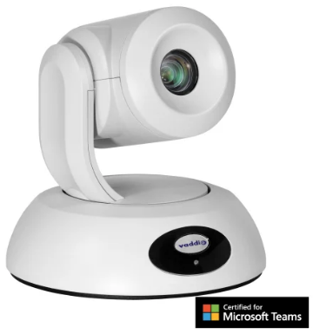 | RoboSHOT 30E-M HD PTZ Camera (white) The RoboSHOT 30E-M PTZ Camera is the leading long range zoom camera Certified for Microsoft Teams. With an impressive 30x zoom, the RoboSHOT 30E-M PTZ Camera is ideal for larger conference rooms, boardrooms, and training rooms. The RoboSHOT 30E-M provides a consistent, repeatable, and high-quality Microsoft Teams experience from Vaddio. Key Features: 30x zoom 70.2° horizontal field of view USB 3.0 for seamless integration with Microsoft Teams Rooms Included Remote Management and Mass Deployment Tool | € 2,495.00
ConferenceSHOT 10
Black | 999-9990-001B | 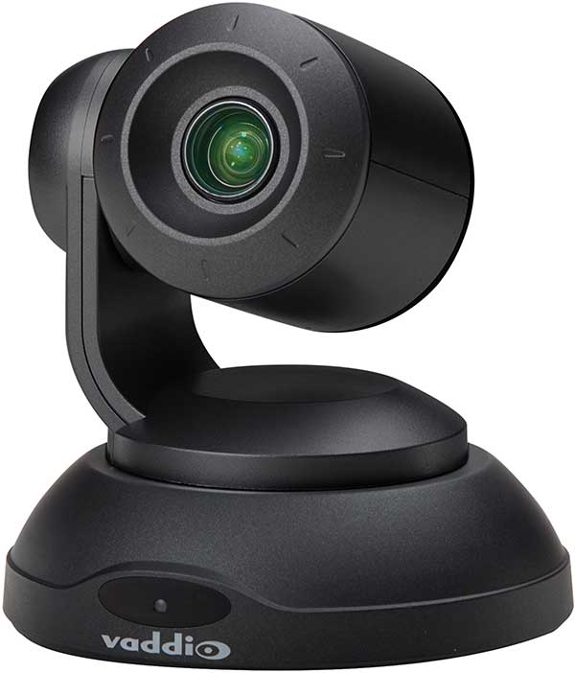 | ConferenceSHOT 10 (black) Enterprise Class, HD PTZ Conferencing Camera featuring Simultaneous USB 3.0 (UVC) and IP (H.264) streaming (RTMP/RTSP) • 10X Optical Zoom Lens with 11X in Super-wide mode • Exmor 1/2.8-Type 2.14 Effective Megapixels (native 1080p/60) high-speed, low noise CMOS image sensor • 74° Wide Horizontal Field of View (super-wide mode) • Built-in web server for configuration, control and remote mgmt • Supports USB 2.0 resolutions from 960x540 and below Includes: • ConferenceSHOT 10 USB Camera (black version) • IR Remote Commander • 12 VDC, 3.0 Amp Power Supply with AC Cord Set • Thin Profile Wall Mount (black) with Mounting Hardware • EZCamera Control Adapter (DB-9 to RJ-45) • 6’ (1.83m) USB 3.0 Cable | € 1,325.00
White | 999-9990-001W | 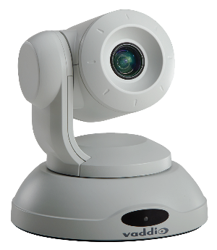 | ConferenceSHOT 10 (white) Enterprise Class, HD PTZ Conferencing Camera featuring Simultaneous USB 3.0 (UVC) and IP (H.264) streaming (RTMP/RTSP) • 10X Optical Zoom Lens with 11X in Super-wide mode • Exmor 1/2.8-Type 2.14 Effective Megapixels (native 1080p/60) high-speed, low noise CMOS image sensor • 74° Wide Horizontal Field of View (super-wide mode) • Built-in web server for configuration, control and remote mgmt • Supports USB 2.0 resolutions from 960x540 and below Includes: • ConferenceSHOT 10 USB Camera (white version) • IR Remote Commander • 12 VDC, 3.0 Amp Power Supply with AC Cord Set • Thin Profile Wall Mount (black) with Mounting Hardware • EZCamera Control Adapter (DB-9 to RJ-45) • 6’ (1.83m) USB 3.0 Cable | € 1,325.00
IntelliSHOT-M Auto-Tracking Camera (TEAMS CERTIFIED)
Black | 999-21182-001 | 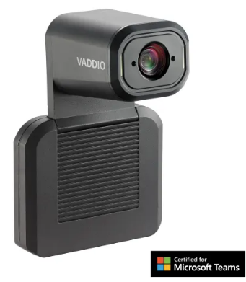 | IntelliSHOT-M Auto-Tracking Camera (black) The IntelliSHOT-M is a professional auto-tracking camera Certified for Microsoft Teams. Advanced IntelliFrame™ technology makes the IntelliSHOT-M camera ideal for auto-tracking presenters in boardrooms or perfectly framing a group of coworkers in larger conference rooms. Pro AV Integrators can adjust the experience based on the room conditions and user’s preferences. The IntelliSHOT-M camera provides a consistent, repeatable, and high-quality Microsoft Teams experience from Vaddio. Key Features: Advanced Intelligent Framing algorithms keep your participants in view 30x zoom with 70.2 degree field of view USB 3.0 for seamless integration with Microsoft Teams Rooms Includes wall-mount in the box, optional cart- and display mounts available from CHIEF | € 2,395.00
White | 999-21182-001W | 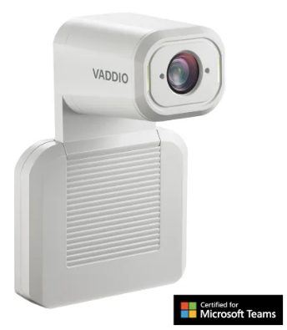 | IntelliSHOT-M Auto-Tracking Camera (white) The IntelliSHOT-M is a professional auto-tracking camera Certified for Microsoft Teams. Advanced IntelliFrame™ technology makes the IntelliSHOT-M camera ideal for auto-tracking presenters in boardrooms or perfectly framing a group of coworkers in larger conference rooms. Pro AV Integrators can adjust the experience based on the room conditions and user’s preferences. The IntelliSHOT-M camera provides a consistent, repeatable, and high-quality Microsoft Teams experience from Vaddio. Key Features: Advanced Intelligent Framing algorithms keep your participants in view 30x zoom with 70.2 degree field of view USB 3.0 for seamless integration with Microsoft Teams Rooms Includes wall-mount in the box, optional cart- and display mounts available from CHIEF | € 2,395.00
ConferenceSHOT AV
Black | 999-9995-001B | 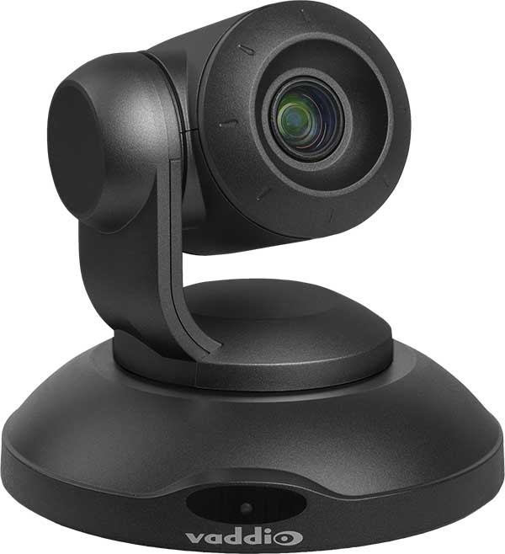 | ConferenceSHOT AV (black) Enterprise Class Conferencing System with HD PTZ Camera and Integrated Audio featuring: • 10X Optical Zoom Lens with 11X in Super-wide mode • 74° Wide Horizontal Field of View (super-wide mode) • Exmor 1/2.8-Type 2.14 Effective Megapixels (native 1080p/60) high-speed • Audio input: EasyMIC inputs supports up to two Vaddio TableMIC or CeilingMIC microphones • Audio output: Balanced Line level with power to optional matching speaker – or integrate into existing audio infrastructure • USB 3.0 video and audio connectivity to leading web-based UCC services • Built-in web server and IP RTSP/RTMP video (H.264) streaming with embedded audio Includes: • One (1) ConferenceSHOT AV Camera (black version) • One (1) IR Remote AV Commander • One (1) PoE+ Power Injector with AC Cord Set • One (1) Thin Profile Wall Mount (black) with Mounting Hardware • One (1) Molex Audio Connector • UCC cable kit – Ethernet cable, 10' (3.05m); USB 3.0, 6' (1.83m) | € 1,745.00
White | 999-9995-001W |  | ConferenceSHOT AV (white) Enterprise Class Conferencing System with HD PTZ Camera and Integrated Audio featuring: • 10X Optical Zoom Lens with 11X in Super-wide mode • 74° Wide Horizontal Field of View (super-wide mode) • Exmor 1/2.8-Type 2.14 Effective Megapixels (native 1080p/60) high-speed • Audio input: EasyMIC inputs supports up to two Vaddio TableMIC or CeilingMIC microphones • Audio output: Balanced Line level with power to optional matching speaker – or integrate into existing audio infrastructure • USB 3.0 video and audio connectivity to leading web-based UCC services • Built-in web server and IP RTSP/RTMP video (H.264) streaming with embedded audio Includes: • One (1) ConferenceSHOT AV Camera (white version) • One (1) IR Remote AV Commander • One (1) PoE+ Power Injector with AC Cord Set • One (1) Thin Profile Wall Mount (black) with Mounting Hardware • One (1) Molex Audio Connector • UCC cable kit – Ethernet cable, 10' (3.05m); USB 3.0, 6' (1.83m) | € 1,745.00
Black | 999-9995-003 |  | ConferenceSHOT AV Speaker (black) Powered Conferencing Speaker ● Dual 2" (50.8mm) full range drivers with integrated power amp ● Plugs into camera audio out with 6" 4-pin cable for power and audio ● Attaches with slide apparatus to camera mount Includes: ● ConferenceSHOT AV Speaker (black version) ● Mounting Hardware ● 6" (152.4mm) Audio Cable | € 471.00
White | 999-9995-003W | 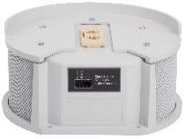 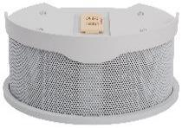 | ConferenceSHOT AV Speaker (white) Powered Conferencing Speaker ● Dual 2" (50.8mm) full range drivers with integrated power amp ● Plugs into camera audio out with 6" 4-pin cable for power and audio ● Attaches with slide apparatus to camera mount Includes: ● ConferenceSHOT AV Speaker (white version) ● Mounting Hardware ● 6" (152.4mm) Audio Cable | € 471.00
Black | 999-89995-000 |  | ConferenceSHOT AV Table Mount (black) Thin profile Table Mount to lift ConferenceSHOT AV Speaker off the table surface for best audio response. Includes: ● ConferenceSHOT AV Tabel Mount (black version) ● Mounting Hardware | € 193.00
White | 999-89995-000W |  | ConferenceSHOT AV Table Mount (white) Thin profile Table Mount to lift ConferenceSHOT AV Speaker off the table surface for best audio response. Includes: ● ConferenceSHOT AV Table Mount (white version) ● Mounting Hardware | € 193.00
Black | 999-9995-331 |  | Twin Mono AMP The Twin Mono AMP is an 8 Ohm 30 Watt mono power audio amplifier with a single differential input feeding two amplified outputs, each capable of driving into loads as low as 4 ohm. Ensure remote participants in small and medium conference rooms or classrooms are heard in collaboration and conferencing environments. An ideal solution for incorporating ceiling speakers with a Vaddio ConferenceSHOT AV videoconferencing PTZ camera and microphone bundle. Also perfect for connecting the Vaddio IntelliSHOT or ConferenceSHOT ePTZ cameras with a speaker bar like the Vaddio Easy Talk Soundbar. Use the Twin Mono AMP in combination with a variety of Vaddio AV Bridge products to easily incorporate professional quality speakers in collaboration spaces. Key Features: Two channels at 15 W per channel Additional connectors provided for making custom length cables Durable, professional all-metal enclosure suitable for free-standing, surface-mounted or rack-mounted operation LED power indicator light and 15 V 2A power supply included | € 239.00
HuddleSHOT
Black | 999-50707-001 |  | HuddleSHOT (black) HuddleSHOT All-in-One Conferencing Camera • All-in-one solution with PoE+ power for flexible installation anywhere • Full stereo speakers and two integrated microphones, optional expansion with Vaddio TableMIC and CeilingMIC microphones • Remote management – browser-based user interface for remote configuration, management and control • Fixed 125 degree HFOV camera with 2x digital zoom and 1080p/60 resolution • USB 3.0 and IP stream video+audio output, RTMP streaming to Cloud Video Services Includes: • HuddleSHOT Camera (black) • Remote control (BLE) with 2 x AAA batteries • 1x GbE PoE/PoE+ Injector with power cord • 1x 3m Cat5e Snagless Cable • 1x 2m USB 3.0 type-C to type-A M/M cable • Wall Mount Kit | € 1,769.00
Grey | 999-50707-001G |  | HuddleSHOT (grey) HuddleSHOT All-in-One Conferencing Camera • All-in-one solution with PoE+ power for flexible installation anywhere • Full stereo speakers and two integrated microphones, optional expansion with Vaddio TableMIC and CeilingMIC microphones • Remote management – browser-based user interface for remote configuration, management and control • Fixed 125 degree HFOV camera with 2x digital zoom and 1080p/60 resolution • USB 3.0 and IP stream video+audio output, RTMP streaming to Cloud Video Services Includes: • HuddleSHOT Camera (grey) • Remote control (BLE) with 2 x AAA batteries • 1x GbE PoE/PoE+ Injector with power cord • 1x 3m Cat5e Snagless Cable • 1x 2m USB 3.0 type-C to type-A M/M cable • Wall Mount Kit | € 1,769.00
Black | 535-2100-207 |  | HuddleSHOT Adjustable Mount (black) The HuddleSHOT Adjustable Mount’s intelligent design provides an adjustable tilt to optimize the camera’s angle on video call participants. Ideal for any huddle room configuration, with placement options on the table, above the monitor, or below the monitor as well. The HuddleSHOT Adjustable Mount can also be integrated with Chief Mounts for a seamless solution. The HuddleSHOT mount is designed to connect directly with Chief Fusion FCA8xx Series Mounts, Chief PAC8xx Series Mount Arms This Package Includes: • Adjustable mount (black) • in wall anchors with screws • 8/32 x 5/16 in HuddleSHOT screws • Foam feet | € 212.00
White | 535-2100-207W |  | HuddleSHOT Adjustable Mount (white) The HuddleSHOT Adjustable Mount’s intelligent design provides an adjustable tilt to optimize the camera’s angle on video call participants. Ideal for any huddle room configuration, with placement options on the table, above the monitor, or below the monitor as well. The HuddleSHOT Adjustable Mount can also be integrated with Chief Mounts for a seamless solution. The HuddleSHOT mount is designed to connect directly with Chief Fusion FCA8xx Series Mounts, Chief PAC8xx Series Mount Arms This Package Includes: • Adjustable mount (white) • in wall anchors with screws • 8/32 x 5/16 in HuddleSHOT screws • Foam feet | € 212.00
Audio Accessories
Black | 802-3280 |  | EasyMIC Audio Adapter For HuddleSHOT: Connect this adapter to the EasyMIC port on the back of the HuddleSHOT when you want to use the robust sound of the HuddleSHOT speakers with the conference room display even when not in a USB video conference call. Adds an unbalanced stereo line-in and Line-out. Please note that using this adapter removes the ability to connect an EasyMIC microphone (TableMIC or CeilingMIC) to the HuddleSHOT. You will still be able to use the two internal microphones located near the camera lens. For EasyIP Decoder and ConferenceSHOT AV: Adds balanced mono Line-In and Line-Out audio to the EasyIP Decoder and ConferenceSHOT AV. Includes: • 14.8cm EasyMIC Adapter cable | € 41.00
ConferenceSHOT Accessories
Black | 440-1005-008 |  | 8m Active USB 3.0 Type-A to Type B - M/M Cable ● 8m (26.2’) Fully Shielded Active Cable ● USB Port Powered ● No external power source needed ● For RoboSHOT 12 USB, ConferenceSHOT 10/AV/FX and MatrixMIX ● Standards compliant, works with any USB 3.0 device | € 199.00
Black | 440-1005-023 |  | 20m Active USB 3.0 Type-A to Type B - M/M Cable ● 20m (65.6’) Fully Shielded Active Cable ● USB Port Powered ● No external power source needed ● For RoboSHOT 12 USB, ConferenceSHOT 10/AV/FX and MatrixMIX ● Standards compliant, works with any USB 3.0 device | € 399.00
Black | 440-1005-025 | 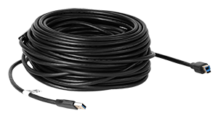 | 30m Active USB 3.0 Type-A to Type B - M/M Cable ● 30m (98.4’) Fully Shielded Active Cable ● USB Port Powered ● No external power source needed ● For RoboSHOT 12 USB, ConferenceSHOT 10/AV/FX and MatrixMIX ● Standards compliant, works with any USB 3.0 device | € 599.00
Black | 440-1015-008 |  | USB 3.2 Gen 2 Type B to Type A Active Optical Cable Plenum (8m) Fully shielded active optical USB 3.2 Gen 2 cable. Key Features: USB Port Powered No external power source needed for Vaddio products Supports USB 2.0, 3.0, 3.1 and 3.2 Plenum Rated This shielded active optical fiber cable supports the full bandwidth of USB 3.2 Gen 2 and can be used to extend all USB 3.2 Gen 2 products. The cable is rated SuperSpeed and carries up to 10 Gbps. | € 199.00
Black | 440-1015-015 |  | USB 3.2 Gen 2 Type B to Type A Active Optical Cable Plenum (15m) Fully shielded active optical USB 3.2 Gen 2 cable. Key Features: USB Port Powered No external power source needed for Vaddio products Supports USB 2.0, 3.0, 3.1 and 3.2 Plenum Rated This shielded active optical fiber cable supports the full bandwidth of USB 3.2 Gen 2 and can be used to extend all USB 3.2 Gen 2 products. The cable is rated SuperSpeed and carries up to 10 Gbps. | € 399.00
Black | 440-1015-030 |  | USB 3.2 Gen 2 Type B to Type A Active Optical Cable Plenum (30m) Fully shielded active optical USB 3.2 Gen 2 cable. Key Features: USB Port Powered No external power source needed for Vaddio products Supports USB 2.0, 3.0, 3.1 and 3.2 Plenum Rated This shielded active optical fiber cable supports the full bandwidth of USB 3.2 Gen 2 and can be used to extend all USB 3.2 Gen 2 products. The cable is rated SuperSpeed and carries up to 10 Gbps. | € 599.00
Black | 440-1007-008 |  | USB 3.2 Gen 2x1 Active Optical Cable Type C to Type A - Plenum Rated (8m) Fully shielded active optical USB 3.2 Gen 2 cable. Key Features: USB Port Powered No external power source needed Supports USB 2.0, 3.0, 3.1 and 3.2 Plenum Rated This cable has been tested and found compatible with the following products: Vaddio HuddleSHOT All-in-One Conferencing Camera Logitech Rally | € 199.00
Black | 440-1007-015 |  | USB 3.2 Gen 2x1 Active Optical Cable Type C to Type A - Plenum Rated (8m) Fully shielded active optical USB 3.2 Gen 2 cable. Key Features: USB Port Powered No external power source needed Supports USB 2.0, 3.0, 3.1 and 3.2 Plenum Rated This cable has been tested and found compatible with the following products: Vaddio HuddleSHOT All-in-One Conferencing Camera Logitech Rally | € 399.00
Black | 440-1007-030 | 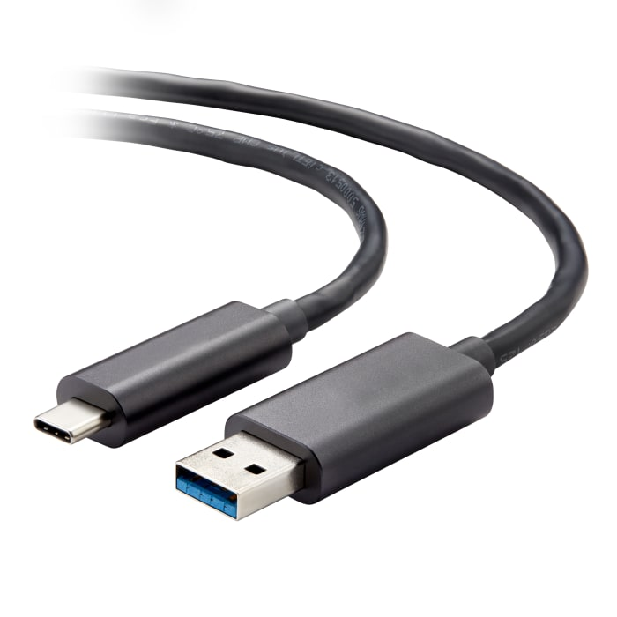 | USB 3.2 Gen 2x1 Active Optical Cable Type C to Type A - Plenum Rated (8m) Fully shielded active optical USB 3.2 Gen 2 cable. Key Features: USB Port Powered No external power source needed Supports USB 2.0, 3.0, 3.1 and 3.2 Plenum Rated This cable has been tested and found compatible with the following products: Vaddio HuddleSHOT All-in-One Conferencing Camera Logitech Rally | € 599.00
Black | 999-1005-132 |  | Vaddio USB 3 Extenders over CAT6 cable Extend your USB 3.0 devices over copper CAT6 (or better) cables, with a maximum distance of 100m. ● USB 3.0 Full Speed, Plug & Play support over CAT6 cables ● USB 3.0 hub at far end transmitter with 4 USB 3.0 ports; connect both audio and video sources and connect and extend using a single cable up to 100m distance. Includes: ● TX and RX receivers ● Power supplies for near- and far end ● 1m USB 3.0 cable | € 1,627.00
White | 999-9995-004 | 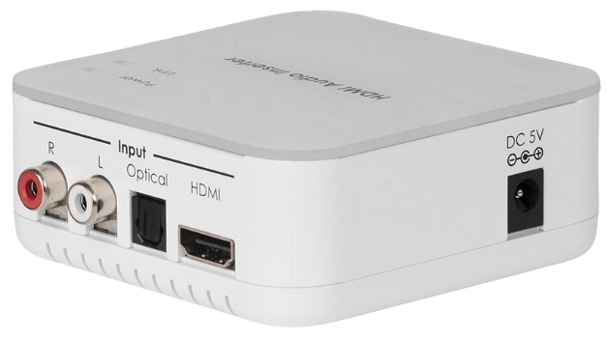 | HDMI Audio Embedder Kit for ConferenceSHOT AV Embeds line out audio from ConferenceSHOT AV camera onto an HDMI signal, to enable the use of the built-in speakers of a connected display or monitor and allows hardware echo cancelation to work properly. Powered by the ConferenceSHOT AV, does not include a power supply. HDMI 1.2 compatible Includes: ● One (1) HDMI Audio Inserter Module ● One (1) Camera Interface Module for power and audio (with cables) ● 6' (1.83m) HDMI Cable | € 249.00
Black | 998-2102-000 |  | Vaddio IR Remote Commander with Audio Controls Remote Control for the ConferenceSHOT AV system with Audio Controls | € 114.00

AI Cameras
FIRM ALPHA CO., LTD
since 1995
Tekeyan Business Centre, 50 Khanjyan St., Yerevan 0025, Republic of Armenia
Phone: + 374 10 52 13 56; + 374 10 55 56 13; E-mail: sales@alpha.am, URL: www.alpha.am
Update valid as of August 15, 2025
EXCHANGE RATE: 1 EURO = Exchange Rate by CBA + 5 AMD
Please note - prices are shown on terms Ex-Works the Netherlands! / Цены указаны на условиях Ex-Works the Netherlands!
 |  |  |  |  | RETURN TO INDEX

Color | Part Number (EMEA) | Picture | Description | MSRP (EURO)
IntelliSHOT
IntelliSHOT Auto-Tracking Camera
Black | 999-21100-001 |  | IntelliSHOT Auto-Tracking Camera (black) The IntelliSHOT® professional camera makes video collaboration and streaming classes easy and effortless. Equipped with advanced IntelliFrameTM technology, the IntelliSHOT ePTZ camera is the only auto-framing device that can be adjusted based on the room conditions and user’s preferences. Key Features: Advanced Intelligent Framing algorithms keep your participants in view 30x zoom with 70.2 degree field of view Simultaneous USB 3.0, HDMI and H.264 IP Streaming (RTSP or RTMP) Two integrated beamforming microphones with built-in Acoustic Echo Cancellation (AEC) Balanced audio line in and out Includes wall-mount in the box, optional cart- and display mounts available from CHIEF Also available in an EasyIP AV over IP version | € 2,195.00
Black | 999-21100-001W |  | IntelliSHOT Auto-Tracking Camera (white) The IntelliSHOT® professional camera makes video collaboration and streaming classes easy and effortless. Equipped with advanced IntelliFrameTM technology, the IntelliSHOT ePTZ camera is the only auto-framing device that can be adjusted based on the room conditions and user’s preferences. Key Features: Advanced Intelligent Framing algorithms keep your participants in view 30x zoom with 70.2 degree field of view Simultaneous USB 3.0, HDMI and H.264 IP Streaming (RTSP or RTMP) Two integrated beamforming microphones with built-in Acoustic Echo Cancellation (AEC) Balanced audio line in and out Includes wall-mount in the box, optional cart- and display mounts available from CHIEF Also available in an EasyIP AV over IP version | € 2,195.00
Black | 999-21182-001 |  | IntelliSHOT-M Auto-Tracking Camera (black) The IntelliSHOT-M is a professional auto-tracking camera Certified for Microsoft Teams. Advanced IntelliFrame™ technology makes the IntelliSHOT-M camera ideal for auto-tracking presenters in boardrooms or perfectly framing a group of coworkers in larger conference rooms. Pro AV Integrators can adjust the experience based on the room conditions and user’s preferences. The IntelliSHOT-M camera provides a consistent, repeatable, and high-quality Microsoft Teams experience from Vaddio. Key Features: Advanced Intelligent Framing algorithms keep your participants in view 30x zoom with 70.2 degree field of view USB 3.0 for seamless integration with Microsoft Teams Rooms Includes wall-mount in the box, optional cart- and display mounts available from CHIEF | € 2,395.00
White | 999-21182-001W |  | IntelliSHOT-M Auto-Tracking Camera (white) The IntelliSHOT-M is a professional auto-tracking camera Certified for Microsoft Teams. Advanced IntelliFrame™ technology makes the IntelliSHOT-M camera ideal for auto-tracking presenters in boardrooms or perfectly framing a group of coworkers in larger conference rooms. Pro AV Integrators can adjust the experience based on the room conditions and user’s preferences. The IntelliSHOT-M camera provides a consistent, repeatable, and high-quality Microsoft Teams experience from Vaddio. Key Features: Advanced Intelligent Framing algorithms keep your participants in view 30x zoom with 70.2 degree field of view USB 3.0 for seamless integration with Microsoft Teams Rooms Includes wall-mount in the box, optional cart- and display mounts available from CHIEF | € 2,395.00
ConferenceSHOT ePTZ
ConferenceSHOT ePTZ Camera
Black | 999-21050-001 | 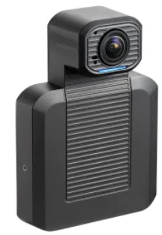 | ConferenceSHOT ePTZ Camera (black) The ConferenceSHOT ePTZ auto-framing camera for videoconferencing makes collaborating easy. Vaddio’s ConferenceSHOT ePTZ delivers a dynamic, hands-free video experience that recreates the one-to-one videoconference experience perfect for hybrid working environments. The unique custom settings included with the camera make it ideal for enterprises that want professional-quality video for various meeting room environments. Key Features: Intelligent Framing algorithms keep your participants in view 5x zoom with a 129° horizontal field of view Simultaneous USB 3.0, HDMI and H.264 IP Streaming(RTSP or RTMP) Integrated omnidirectional microphone with built-in Acoustic Echo Cancellation (AEC) Balanced audio line in and out Three custom settings for auto-framing sensitivity and ability to mask high-traffic areas from auto-framer Includes wall-mount in the box, optional cart- and display mounts available from CHIEF | € 995.00
Accessories
Black | 535-2000-280 | 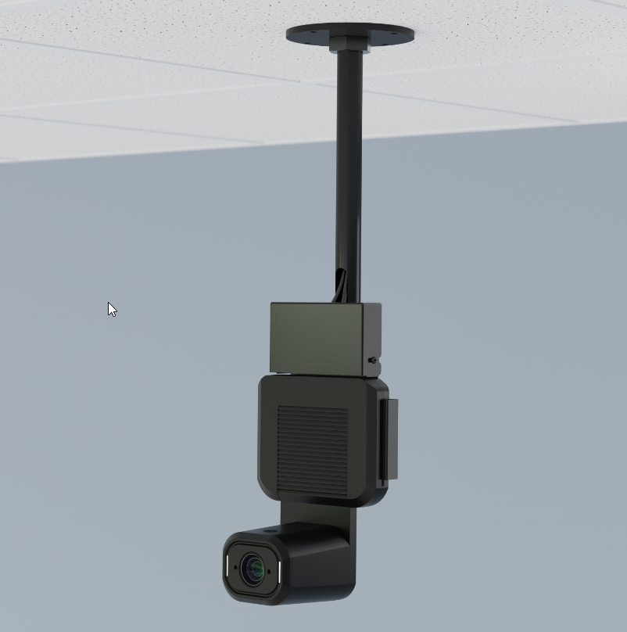 | Drop Down Mount for IntelliSHOT / ConferenceSHOT ePTZ - Short Heavy gauge steel construction Extends approximately 30cm below ceiling Can be re-painted in desired color. *Camera not included | € 330.00
Black | 535-2000-281 | 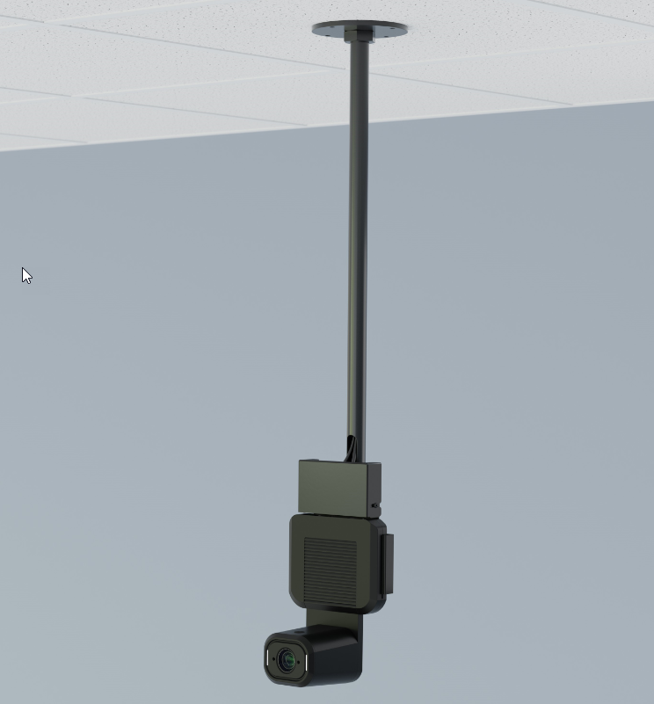 | Drop Down Mount for IntelliSHOT / ConferenceSHOT ePTZ - Long Heavy gauge steel construction Extends approximately 60cm below ceiling Can be re-painted in desired color. *Camera not included | € 348.00
Black | 999-9995-331 |  | Twin Mono AMP The Twin Mono AMP is an 8 Ohm 30 Watt mono power audio amplifier with a single differential input feeding two amplified outputs, each capable of driving into loads as low as 4 ohm. Ensure remote participants in small and medium conference rooms or classrooms are heard in collaboration and conferencing environments. An ideal solution for incorporating ceiling speakers with a Vaddio ConferenceSHOT AV videoconferencing PTZ camera and microphone bundle. Also perfect for connecting the Vaddio IntelliSHOT or ConferenceSHOT ePTZ cameras with a speaker bar like the Vaddio Easy Talk Soundbar. Use the Twin Mono AMP in combination with a variety of Vaddio AV Bridge products to easily incorporate professional quality speakers in collaboration spaces. Key Features: Two channels at 15 W per channel Additional connectors provided for making custom length cables Durable, professional all-metal enclosure suitable for free-standing, surface-mounted or rack-mounted operation LED power indicator light and 15 V 2A power supply included | € 239.00

ConferenceSHOT AV Bundles
FIRM ALPHA CO., LTD
since 1995
Tekeyan Business Centre, 50 Khanjyan St., Yerevan 0025, Republic of Armenia
Phone: + 374 10 52 13 56; + 374 10 55 56 13; E-mail: sales@alpha.am, URL: www.alpha.am
Update valid as of August 15, 2025
EXCHANGE RATE: 1 EURO = Exchange Rate by CBA + 5 AMD
Please note - prices are shown on terms Ex-Works the Netherlands! / Цены указаны на условиях Ex-Works the Netherlands!
 |  |  |  |  | RETURN TO INDEX
ConferenceSHOT AV Bundles
Color | Part Number (EMEA) | Picture | Description | MSRP (EURO)
ConferenceSHOT AV Bundles - White
White | 999-99950-301W | 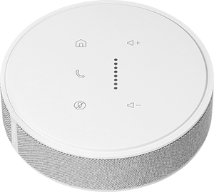 | ConferenceSHOT AV Bundle - TableMIC 1 (white) Includes: ● One (1) ConferenceSHOT AV conferencing camera (white) ● One (1) ConferenceSHOT AV powered conferencing speaker (white) ● One (1) TableMIC with integrated echo canceling (white) ● PoE+ Power Injector ● IR AV Remote | € 2,610.00
White | 999-99950-401W |  | ConferenceSHOT AV Bundle - TableMIC 2 (white) Includes: ● One (1) ConferenceSHOT AV conferencing camera (white) ● One (1) ConferenceSHOT AV powered conferencing speaker (white) ● Two (2) TableMICs with integrated echo canceling (white) ● PoE+ Power Injector ● IR AV Remote | € 3,130.00
White | 999-99950-101W |  | ConferenceSHOT AV Bundle - CeilingMIC 1 (white) Includes: ● One (1) ConferenceSHOT AV conferencing camera (white) ● One (1) ConferenceSHOT AV powered conferencing speaker (white) ● One (1) CeilingMIC with integrated echo canceling (white) ● PoE+ Power Injector ● IR AV Remote | € 2,720.00
White | 999-99950-201W | 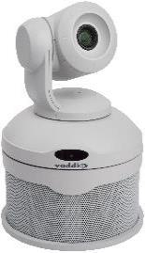 | ConferenceSHOT AV Bundle - CeilingMIC 2 (white) Includes: ● One (1) ConferenceSHOT AV conferencing camera (white) ● One (1) ConferenceSHOT AV powered conferencing speaker (white) ● Two (2) CeilingMICs with integrated echo canceling (white) ● PoE+ Power Injector ● IR AV Remote | € 3,355.00
ConferenceSHOT AV Bundles - White (without Speaker)
White | 999-99950-501W |  | ConferenceSHOT AV Bundle - TableMIC 1 (without speaker) (white) Includes: • One (1) ConferenceSHOT AV conferencing camera (white) • One (1) TableMIC with integrated echo canceling (white) • One (1) HDMI Audio Inserter Kit to route conference audio to display speakers, required for proper echo cancellation when using display speakers ● PoE+ Power Injector ● IR AV Remote | € 2,415.00
White | 999-99950-601W |  | ConferenceSHOT AV Bundle - TableMIC 2 (without speaker) (white) Includes: • One (1) ConferenceSHOT AV conferencing camera (white) • Two (2) TableMICs with integrated echo canceling (white) • One (1) HDMI Audio Inserter Kit to route conference audio to display speakers, required for proper echo cancellation when using display speakers ● PoE+ Power Injector ● IR AV Remote | € 2,935.00
White | 999-99950-801W |  | ConferenceSHOT AV Bundle - CeilingMIC 1 (without speaker) (white) Includes: ● One (1) ConferenceSHOT AV conferencing camera (white) ● One (1) CeilingMIC with integrated echo canceling (white) ● PoE+ Power Injector ● IR AV Remote | € 2,270.00
White | 999-99950-701W |  | ConferenceSHOT AV Bundle - CeilingMIC 2 (without speaker) (white) Includes: ● One (1) ConferenceSHOT AV conferencing camera (white) ● Two (2) CeilingMICs with integrated echo canceling (white) ● PoE+ Power Injector ● IR AV Remote | € 2,905.00
ConferenceSHOT AV Bundles - Black
Black | 999-99950-301B | 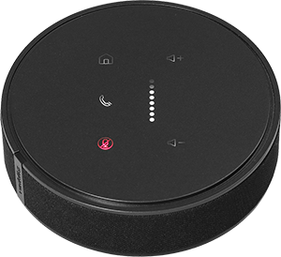 | ConferenceSHOT AV Bundle - TableMIC 1 (black) Includes: ● One (1) ConferenceSHOT AV conferencing camera (black) ● One (1) ConferenceSHOT AV powered conferencing speaker (black) ● One (1) TableMIC with integrated echo canceling (black) ● PoE+ Power Injector ● IR AV Remote | € 2,610.00
Black | 999-99950-401B |  | ConferenceSHOT AV Bundle - TableMIC 2 (black) Includes: ● One (1) ConferenceSHOT AV conferencing camera (black) ● One (1) ConferenceSHOT AV powered conferencing speaker (black) ● Two (2) TableMICs with integrated echo canceling (black) ● PoE+ Power Injector ● IR AV Remote | € 3,130.00
Black | 999-99950-101B |  | ConferenceSHOT AV Bundle - CeilingMIC 1 (black) Includes: ● One (1) ConferenceSHOT AV conferencing camera (black) ● One (1) ConferenceSHOT AV powered conferencing speaker (black) ● One (1) CeilingMIC with integrated echo canceling (white) ● PoE+ Power Injector ● IR AV Remote | € 2,720.00
Black | 999-99950-201B |  | ConferenceSHOT AV Bundle - CeilingMIC 2 (black) Includes: ● One (1) ConferenceSHOT AV conferencing camera (black) ● One (1) ConferenceSHOT AV powered conferencing speaker (black) ● Two (2) CeilingMICs with integrated echo canceling (white) ● PoE+ Power Injector ● IR AV Remote | € 3,355.00
ConferenceSHOT AV Bundles - Black (without Speaker)
Black | 999-99950-501B |  | ConferenceSHOT AV Bundle - TableMIC 1 (without speaker) (black) Includes: • One (1) ConferenceSHOT AV conferencing camera (black) • One (1) TableMIC with integrated echo canceling (black) • One (1) HDMI Audio Inserter Kit to route conference audio to display speakers, required for proper echo cancellation when using display speakers ● PoE+ Power Injector ● IR AV Remote | € 2,415.00
Black | 999-99950-601B |  | ConferenceSHOT AV Bundle - TableMIC 2 (without speaker) (black) Includes: • One (1) ConferenceSHOT AV conferencing camera (black) • Two (2) TableMICs with integrated echo canceling (black) • One (1) HDMI Audio Inserter Kit to route conference audio to display speakers, required for proper echo cancellation when using display speakers ● PoE+ Power Injector ● IR AV Remote | € 2,935.00
Black | 999-99950-801B |  | ConferenceSHOT AV Bundle - CeilingMIC 1 (without speaker) (black) Includes: ● One (1) ConferenceSHOT AV conferencing camera (black) ● One (1) CeilingMIC with integrated echo canceling (white) ● PoE+ Power Injector ● IR AV Remote | € 2,270.00
Black | 999-99950-701B |  | ConferenceSHOT AV Bundle - CeilingMIC 2 (without speaker) (black) Includes: ● One (1) ConferenceSHOT AV conferencing camera (black) ● Two (2) CeilingMICs with integrated echo canceling (white) ● PoE+ Power Injector ● IR AV Remote | € 2,905.00

RoboSHOT w. Extension System
FIRM ALPHA CO., LTD
since 1995
Tekeyan Business Centre, 50 Khanjyan St., Yerevan 0025, Republic of Armenia
Phone: + 374 10 52 13 56; + 374 10 55 56 13; E-mail: sales@alpha.am, URL: www.alpha.am
Update valid as of August 15, 2025
EXCHANGE RATE: 1 EURO = Exchange Rate by CBA + 5 AMD
Please note - prices are shown on terms Ex-Works the Netherlands! / Цены указаны на условиях Ex-Works the Netherlands!
 |  |  |  |  | RETURN TO INDEX
RoboSHOT Cameras with Extension System
Color | Part Number (EMEA) | Picture | Description | MSRP (EURO)
RoboSHOT HDBT Camera and OneLINK Bridge Systems
Black | 999-99600-201 |  | RoboSHOT 12E HDBT OneLINK Bridge System - Black Camera The OneLINK Bridge combines camera extension and bridge functionality into a single device – so you can turn any PTZ camera or AV switcher into a USB 3.0 media stream – and easily use applications like Skype for Business, Google Hangouts, WebEx and Zoom. Includes: ● RoboSHOT 12E HDBT PTZ Camera ● OneLINK Bridge AV Interface (Receiver Only) ● Vaddio IR Remote Commander ● Power Supply and AC Cord Set ● Camera Mount and Mounting Hardware | € 5,565.00
White | 999-99600-201W |  | RoboSHOT 12E HDBT OneLINK Bridge System -White Camera The OneLINK Bridge combines camera extension and bridge functionality into a single device – so you can turn any PTZ camera or AV switcher into a USB 3.0 media stream – and easily use applications like Skype for Business, Google Hangouts, WebEx and Zoom. Includes: ● RoboSHOT 12E HDBT PTZ Camera ● OneLINK Bridge AV Interface (Receiver Only) ● Vaddio IR Remote Commander ● Power Supply and AC Cord Set ● Camera Mount and Mounting Hardware | € 5,565.00
Black | 999-99630-201 |  | RoboSHOT 30E HDBT OneLINK Bridge System - Black Camera The OneLINK Bridge combines camera extension and bridge functionality into a single device – so you can turn any PTZ camera or AV switcher into a USB 3.0 media stream – and easily use applications like Skype for Business, Google Hangouts, WebEx and Zoom. Includes: ● RoboSHOT 30E HDBT PTZ Camera ● OneLINK Bridge AV Interface (Receiver Only) ● Vaddio IR Remote Commander ● Power Supply and AC Cord Set ● Camera Mount and Mounting Hardware | € 5,565.00
White | 999-99630-201W |  | RoboSHOT 30E HDBT OneLINK Bridge System - White Camera The OneLINK Bridge combines camera extension and bridge functionality into a single device – so you can turn any PTZ camera or AV switcher into a USB 3.0 media stream – and easily use applications like Skype for Business, Google Hangouts, WebEx and Zoom. Includes: ● RoboSHOT 30E HDBT PTZ Camera ● OneLINK Bridge AV Interface (Receiver Only) ● Vaddio IR Remote Commander ● Power Supply and AC Cord Set ● Camera Mount and Mounting Hardware | € 5,565.00
White | 999-9950-201W |  | RoboSHOT 20 UHD HDBT OneLINK Bridge System - White Camera The OneLINK Bridge combines camera extension and bridge functionality into a single device – so you can turn any PTZ camera or AV switcher into a USB 3.0 media stream – and easily use applications like Skype for Business, Google Hangouts, WebEx and Zoom. ● RoboSHOT 20 UHD Camera (white) ● OneLINK Bridge AV Interface (Receiver Only) ● Power Supply and AC Cord Set ● Camera Mount and Mounting Hardware | € 7,275.00
Black | 999-9952-201 | 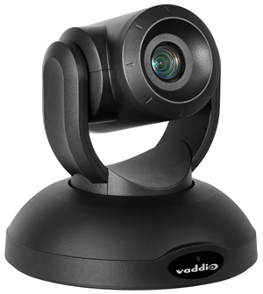 | RoboSHOT 40 UHD OneLINK Bridge System (black) This system combines the RoboSHOT 40 UHD camera with the OneLINK Bridge to extend power, video and control over a single cable for simple, tidy installation. Production-quality RoboSHOT 40 UHD provides brilliant 4K video footage for broadcasting or live streaming applications. Key Features Back-illuminated 8.51 Megapixel, ultra-high-definition 1/2.5-type CMOS sensor delivers native 2160p/30 (3840 x 2160) video 20x optical zoom with 30x lossless zoom at 3840 x 2160. Achieve 40x zoom at full HD resolution Simple, clutter-free camera extension with HDBaseT technology Power, video and control over a single Cat-5e cable up to 230 ft. (70m), or over a Cat-6 cable up to 328 ft. (100m) Bridges audio and video for easy soft-client conferencing Simultaneous HDMI, USB 3.0, IP Streaming, and 3G-SDI outputs Configurable audio matrix with AEC Up to 1080p/60 resolution available over uncompressed USB | € 8,685.00
White | 999-9952-201W | 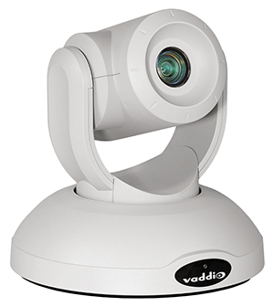 | RoboSHOT 40 UHD OneLINK Bridge System (white) This system combines the RoboSHOT 40 UHD camera with the OneLINK Bridge to extend power, video and control over a single cable for simple, tidy installation. Production-quality RoboSHOT 40 UHD provides brilliant 4K video footage for broadcasting or live streaming applications. Key Features Back-illuminated 8.51 Megapixel, ultra-high-definition 1/2.5-type CMOS sensor delivers native 2160p/30 (3840 x 2160) video 20x optical zoom with 30x lossless zoom at 3840 x 2160. Achieve 40x zoom at full HD resolution Simple, clutter-free camera extension with HDBaseT technology Power, video and control over a single Cat-5e cable up to 230 ft. (70m), or over a Cat-6 cable up to 328 ft. (100m) Bridges audio and video for easy soft-client conferencing Simultaneous HDMI, USB 3.0, IP Streaming, and 3G-SDI outputs Configurable audio matrix with AEC Up to 1080p/60 resolution available over uncompressed USB | € 8,685.00
RoboSHOT HDBT Camera and OneLINK HDMI Systems
Black | 999-99600-101 |  | RoboSHOT 12E HDBT OneLINK HDMI System (black) High-Definition PTZ Camera and Extension System using HDBaseT™ Extends video, power, network and control, up to 100m on a single Cat-5e/6 cable Includes: ● RoboSHOT 12E HDBT PTZ Camera ● OneLINK HDMI Interface ● Vaddio IR Remote Commander ● Power Supply and AC Cord Set ● Camera Mount and Mounting Hardware | € 4,485.00
White | 999-99600-101 |  | RoboSHOT 12E HDBT OneLINK HDMI System (white) High-Definition PTZ Camera and Extension System using HDBaseT™ Extends video, power, network and control, up to 100m on a single Cat-5e/6 cable Includes: ● RoboSHOT 12E HDBT PTZ Camera ● OneLINK HDMI Interface ● Vaddio IR Remote Commander ● Power Supply and AC Cord Set ● Camera Mount and Mounting Hardware | € 4,485.00
Black | 999-99630-101 |  | RoboSHOT 30E HDBT OneLINK HDMI System (black) High-Definition PTZ Camera and Extension System using HDBaseT™ Extends video, power, network and control, up to 100m on a single Cat-5e/6 cable Includes: ● RoboSHOT 30E HDBT PTZ Camera ● OneLINK HDMI Interface ● Vaddio IR Remote Commander ● Power Supply and AC Cord Set ● Camera Mount and Mounting Hardware | € 4,485.00
White | 999-99630-101W |  | RoboSHOT 30E HDBT OneLINK HDMI System (white) High-Definition PTZ Camera and Extension System using HDBaseT™ Extends video, power, network and control, up to 100m on a single Cat-5e/6 cable Includes: ● RoboSHOT 30E HDBT PTZ Camera ● OneLINK HDMI Interface ● Vaddio IR Remote Commander ● Power Supply and AC Cord Set ● Camera Mount and Mounting Hardware | € 4,485.00
White | 999-9950-101W |  | RoboSHOT 20 UHD HDBT OneLINK HDMI System - White Camera 20X Enterprise Class, UHD PTZ Conferencing Camera featuring HDBaseT, Simultaneous IP (H.264) Full HD Streaming, HD-SDI Output, HDMI Output: ● Exmor-R 1/2.3-Type 8.93 effective Megapixels (2160p/30 Native) high-speed, low noise Exmor-R back illuminated CMOS image sensor ● 74° Wide Horizontal Field of View ● Built-in web server for configuration, control and remote management ● LTPoE++ Remote Power Includes: ● RoboSHOT 20 UHD Camera (white) ● One (1) OneLINK HDMI (Receiver Only) ● Power Supply and AC Cord Set ● Camera Mount and Mounting Hardware | € 6,195.00
Black | 999-9952-101 |  | RoboSHOT 40 UHD OneLINK HDMI System (black) This system combines the RoboSHOT 40 UHD camera with the OneLINK HDMI Receiver for HDBaseT Cameras to extend power, video and control over a single cable for simple, tidy installation. Production-quality RoboSHOT 40 UHD provides brilliant 4K video footage for broadcasting or live streaming applications. Key Features Back-illuminated 8.51 Megapixel, ultra-high-definition 1/2.5-type CMOS sensor delivers native 2160p/30 (3840 x 2160) video 20x optical zoom with 30x lossless zoom at 3840 x 2160. Achieve 40x zoom at full HD resolution Genlock signal for multi-camera synchronization Simple, clutter-free camera extension with HDBaseT technology Power, video and control over a single Cat-5e cable up to 230 ft. (70m), or over a Cat-6 cable up to 328 ft. (100m) | € 7,605.00
White | 999-9952-101W |  | RoboSHOT 40 UHD OneLINK HDMI System (white) This system combines the RoboSHOT 40 UHD camera with the OneLINK HDMI Receiver for HDBaseT Cameras to extend power, video and control over a single cable for simple, tidy installation. Production-quality RoboSHOT 40 UHD provides brilliant 4K video footage for broadcasting or live streaming applications. Key Features Back-illuminated 8.51 Megapixel, ultra-high-definition 1/2.5-type CMOS sensor delivers native 2160p/30 (3840 x 2160) video 20x optical zoom with 30x lossless zoom at 3840 x 2160. Achieve 40x zoom at full HD resolution Genlock signal for multi-camera synchronization Simple, clutter-free camera extension with HDBaseT technology Power, video and control over a single Cat-5e cable up to 230 ft. (70m), or over a Cat-6 cable up to 328 ft. (100m) | € 7,605.00

RoboSHOT-PrimeSHOT PTZ cameras
FIRM ALPHA CO., LTD
since 1995
Tekeyan Business Centre, 50 Khanjyan St., Yerevan 0025, Republic of Armenia
Phone: + 374 10 52 13 56; + 374 10 55 56 13; E-mail: sales@alpha.am, URL: www.alpha.am
Update valid as of August 15, 2025
EXCHANGE RATE: 1 EURO = Exchange Rate by CBA + 5 AMD
Please note - prices are shown on terms Ex-Works the Netherlands! / Цены указаны на условиях Ex-Works the Netherlands!
 |  |  |  |  | RETURN TO INDEX
RoboSHOT & PrimeSHOT PTZ Direct Output Cameras
Color | Part Number (EMEA) | Picture | Description | MSRP (EURO)
RoboSHOT UHD
Black | 999-9952-001 |  | RoboSHOT 40 UHD, Ultra High Definition PTZ Camera (black) The production-quality RoboSHOT 40 UHD PTZ camera provides brilliant 4K video footage for broadcasting or live streaming applications. RoboSHOT 40 UHD offers 40x zoom, genlock capabilities, ultra-smooth motor movement and outstanding image quality – all at a surprisingly competitive price for the entry-level broadcast PTZ camera market. 30x zoom with 4K resolution at 30fps, it provides 40x zoom with 1080p/60fps performance with the latest advancements in digital super resolution zoom. Equipped with a 4K Exmor R CMOS image sensor, it offers powerful image signal processing (ISP) – resulting in better light-gathering capabilities, incredible contrast and sharp 4K video, even in dim lighting conditions. 1/2.5 Exmor R CMOS sensor, HD-SDI, HDBaseT, HDMI and IP stream (RTSP+RTMP) outputs, genlock, RS232 and IP control. Includes: ● RoboSHOT 40 UHD Camera (black) ● IR Remote Commander ● 12 VDC, 3.0 Amp Power Supply with AC Cord Set ● Wall Mount (black) with Mounting Hardware | € 6,495.00
White | 999-9952-001W |  | RoboSHOT 40 UHD, Ultra High Definition PTZ Camera (white) The production-quality RoboSHOT 40 UHD PTZ camera provides brilliant 4K video footage for broadcasting or live streaming applications. RoboSHOT 40 UHD offers 40x zoom, genlock capabilities, ultra-smooth motor movement and outstanding image quality – all at a surprisingly competitive price for the entry-level broadcast PTZ camera market. 30x zoom with 4K resolution at 30fps, it provides 40x zoom with 1080p/60fps performance with the latest advancements in digital super resolution zoom. Equipped with a 4K Exmor R CMOS image sensor, it offers powerful image signal processing (ISP) – resulting in better light-gathering capabilities, incredible contrast and sharp 4K video, even in dim lighting conditions. 1/2.5 Exmor R CMOS sensor, HD-SDI, HDBaseT, HDMI and IP stream (RTSP+RTMP) outputs, genlock, RS232 and IP control. Includes: ● RoboSHOT 40 UHD Camera (white) ● IR Remote Commander ● 12 VDC, 3.0 Amp Power Supply with AC Cord Set ● Wall Mount (black) with Mounting Hardware | € 6,495.00
Black | 999-9950-001B | 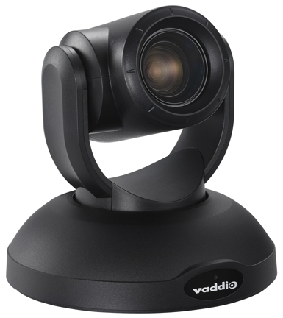 | RoboSHOT 20 UHD, Ultra High Definition PTZ Camera (black) 20X Enterprise Class, UHD PTZ Conferencing Camera featuring HDBaseT, Simultaneous IP (H.264) Full HD Streaming, HD-SDI Output, HDMI Output: ● Exmor-R 1/2.3-Type 8.93 effective Megapixels (2160p/30 Native) high-speed, low noise Exmor-R back illuminated CMOS image sensor ● 74° Wide Horizontal Field of View ● Built-in web server for configuration, control and remote management ● LTPoE++ Remote Power Includes: ● RoboSHOT 20 UHD Camera (black) ● IR Remote Commander ● 12 VDC, 3.0 Amp Power Supply with AC Cord Set ● Wall Mount (black) with Mounting Hardware ● EZCamera Control Adapter (DB-9 to RJ-45) | € 4,995.00
White | 999-9950-001W |  | RoboSHOT 20 UHD, Ultra High Definition PTZ Camera (white) 20X Enterprise Class, UHD PTZ Conferencing Camera featuring HDBaseT, Simultaneous IP (H.264) Full HD Streaming, HD-SDI Output, HDMI Output: ● Exmor-R 1/2.3-Type 8.93 effective Megapixels (2160p/30 Native) high-speed, low noise Exmor-R back illuminated CMOS image sensor ● 74° Wide Horizontal Field of View ● Built-in web server for configuration, control and remote management ● LTPoE++ Remote Power Includes: ● RoboSHOT 20 UHD Camera (White) ● IR Remote Commander ● 12 VDC, 3.0 Amp Power Supply with AC Cord Set ● Wall Mount (white) with Mounting Hardware ● EZCamera Control Adapter (DB-9 to RJ-45) | € 4,995.00
Black | 802-3303 | 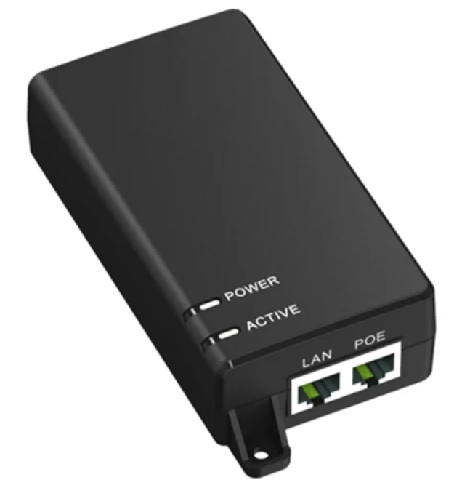 | LT PoE++ Midspan Power Injector Single port LT PoE++ Injector for Vaddio PoE++ products, including RoboSHOT 20 UHD and RoboSHOT 40 UHD. Key Features: Full compliance with IEEE802.3af/at, PoE++ 60W output power 10/100/1000 Mbps Pass through data rates Effective distance of 100 meters over Cat5e/Cat6 cables Plug-and-play installation Does NOT include IEC-C13 type power cord | € 197.00
RoboSHOT HDBT
Black | 999-99600-001 |  | RoboSHOT 12E HDBT Camera (black) Professional Class, HD PTZ Camera featuring: • 12x optical zoom, 70.2° horizontal field of view • 1/2.5-type Exmor R CMOS sensor • Simultaneous HDbaseT, HDMI and IP H.264 streaming (RTSP + RTMP) • Tri-Synchronous Motion (simultaneous 3-axis motion) • Embedded web server for configuration, control and remote management Includes: • RoboSHOT 12E HDBT camera (black) • PoE+ Midspan Power Injector • Thin Profile Wall Mount (matching camera color) with mounting hardware and installation manual • Vaddio IR Remote Commander | € 3,195.00
White | 999-99600-001W |  | RoboSHOT 12E HDBT Camera (white) Professional Class, HD PTZ Camera featuring: • 12x optical zoom, 70.2° horizontal field of view • 1/2.5-type Exmor R CMOS sensor • Simultaneous HDbaseT, HDMI and IP H.264 streaming (RTSP + RTMP) • Tri-Synchronous Motion (simultaneous 3-axis motion) • Embedded web server for configuration, control and remote management Includes: • RoboSHOT 12E HDBT camera (white) • PoE+ Midspan Power Injector • Thin Profile Wall Mount (matching camera color) with mounting hardware and installation manual • Vaddio IR Remote Commander | € 3,195.00
Black | 999-99630-001 |  | RoboSHOT 30E HDBT Camera (black) Professional Class, HD PTZ Camera featuring: •30x zoom, 70.2° horizontal field of view • 1/2.5-type Exmor R CMOS sensor • Simultaneous HDbaseT, HDMI and IP H.264 streaming (RTSP + RTMP) • Tri-Synchronous Motion (simultaneous 3-axis motion) • Embedded web server for configuration, control and remote management Includes: • RoboSHOT 30E HDBT camera (black) • PoE+ Midspan Power Injector • Thin Profile Wall Mount (matching camera color) with mounting hardware and installation manual • Vaddio IR Remote Commander | € 3,195.00
White | 999-99630-001W |  | RoboSHOT 30E HDBT Camera (white) Professional Class, HD PTZ Camera featuring: • 30x zoom, 70.2° horizontal field of view • 1/2.5-type Exmor R CMOS sensor • Simultaneous HDbaseT, HDMI and IP H.264 streaming (RTSP + RTMP) • Tri-Synchronous Motion (simultaneous 3-axis motion) • Embedded web server for configuration, control and remote management Includes: • RoboSHOT 30E HDBT camera (white) • PoE+ Midspan Power Injector • Thin Profile Wall Mount (matching camera color) with mounting hardware and installation manual • Vaddio IR Remote Commander | € 3,195.00
RoboSHOT SDI
Black | 999-99300-001 |  | RoboSHOT 12E SDI Camera (black) Professional Class, HD PTZ Camera featuring: • 12x optical zoom, 70.2° horizontal field of view • 1/2.5-type Exmor R CMOS sensor • Simultaneous 3G-SDI, HDMI and IP H.264 streaming (RTSP + RTMP) • Tri-Synchronous Motion (simultaneous 3-axis motion) • Embedded web server for configuration, control and remote management Includes: • RoboSHOT 12E SDI camera (black) • PoE+ Midspan Power Injector • Thin Profile Wall Mount (matching camera color) with mounting hardware and installation manual • Vaddio IR Remote Commander | € 2,695.00
White | 999-99300-001W |  | RoboSHOT 12E SDI Camera (white) Professional Class, HD PTZ Camera featuring: • 12x optical zoom, 70.2° horizontal field of view • 1/2.5-type Exmor R CMOS sensor • Simultaneous 3G-SDI, HDMI and IP H.264 streaming (RTSP + RTMP) • Tri-Synchronous Motion (simultaneous 3-axis motion) • Embedded web server for configuration, control and remote management Includes: • RoboSHOT 12E SDI camera (white) • PoE+ Midspan Power Injector • Thin Profile Wall Mount (matching camera color) with mounting hardware and installation manual • Vaddio IR Remote Commander | € 2,695.00
Black | 999-99330-001 |  | RoboSHOT 30E SDI Camera (black) Professional Class, HD PTZ Camera featuring: •30x zoom, 70.2° horizontal field of view • 1/2.5-type Exmor R CMOS sensor • Simultaneous 3G-SDI, HDMI and IP H.264 streaming (RTSP + RTMP) • Tri-Synchronous Motion (simultaneous 3-axis motion) • Embedded web server for configuration, control and remote management Includes: • RoboSHOT 30E SDI camera (black) • PoE+ Midspan Power Injector • Thin Profile Wall Mount (matching camera color) with mounting hardware and installation manual • Vaddio IR Remote Commander | € 2,695.00
White | 999-99330-001W |  | RoboSHOT 30E SDI Camera (white) Professional Class, HD PTZ Camera featuring: • 30x zoom, 70.2° horizontal field of view • 1/2.5-type Exmor R CMOS sensor • Simultaneous 3G-SDI, HDMI and IP H.264 streaming (RTSP + RTMP) • Tri-Synchronous Motion (simultaneous 3-axis motion) • Embedded web server for configuration, control and remote management Includes: • RoboSHOT 30E HDMI camera (white) • PoE+ Midspan Power Injector • Thin Profile Wall Mount (matching camera color) with mounting hardware and installation manual • Vaddio IR Remote Commander | € 2,695.00
...

OneLINK Extension Systems
FIRM ALPHA CO., LTD
since 1995
Tekeyan Business Centre, 50 Khanjyan St., Yerevan 0025, Republic of Armenia
Phone: + 374 10 52 13 56; + 374 10 55 56 13; E-mail: sales@alpha.am, URL: www.alpha.am
Update valid as of August 15, 2025
EXCHANGE RATE: 1 EURO = Exchange Rate by CBA + 5 AMD
Please note - prices are shown on terms Ex-Works the Netherlands! / Цены указаны на условиях Ex-Works the Netherlands!
 |  |  |  |  | RETURN TO INDEX
OneLINK Extension Systems
Color | Part Number (EMEA) | Picture | Description | MSRP (EURO)
OneLINK Bridge for Vaddio HDBT Cameras
Black | 999-9595-001 | Camera not included | OneLINK Bridge AV Interface (Receiver Only) for Vaddio HDBaseT Cameras or HDBaseT switchers The OneLINK Bridge combines camera extension and bridge functionality into a single device – so you can turn any PTZ camera or AV switcher into a USB 3.0 media stream – and easily use applications like Skype for Business, Google Hangouts, WebEx and Zoom. Compatible with Vaddio RoboSHOT 12/12E HDBT, RoboSHOT 30/30E HDBT, RoboSHOT 20UHD, RoboSHOT IW, DocCAM 20 HDBT, RoboSHOT 40UHD ● Integrates pro AV sources into your PC via USB 3.0 media stream delivery ● Uses HDBaseT technology to extend power, control and video up to 100 meters (328 ft) over a single Cat-5 cable ● USB output up to 1080p/60 video resolutions Includes: ● OneLINK Bridge AV Interface ● Power Supply and AC Cord Set | € 2,745.00
OneLINK Bridge for Third-Party HDMI Cameras
Black | 999-9630-001 | Camera not included | OneLINK Bridge System for Sony/Panasonic Cameras (Receiver and EZIM) The OneLINK Bridge combines camera extension and bridge functionality into a single device – so you can turn any PTZ camera or AV switcher into a USB 3.0 media stream – and easily use applications like Skype for Business, Google Hangouts, WebEx and Zoom. Packaged for Sony SRG and Panasonic HE series cameras. ● Integrates pro AV sources into your PC via USB 3.0 media stream delivery ● Uses HDBaseT technology to extend power, control and video up to 100 meters (328 ft) over a single Cat-5 cable ● USB output up to 1080p/60 video resolutions Includes: ● OneLINK Bridge AV Interface ● OneLINK HDMI EZIM and Sony/Panasonic camera cables ● Power Supply and AC Cord Set ● Camera Mount and Mounting Hardware | € 3,309.00
OneLINK HDMI for Vaddio HDBT Cameras
Black | 999-1105-143 | Camera not included | OneLINK HDMI Receiver for Vaddio HDBaseT Cameras Single Cat-5e/6 video power and control extension, up to 100m, using Vaddio HDBaseT™ Cameras* Compatible with Vaddio RoboSHOT 12/12E HDBT, RoboSHOT 30/30E HDBT, RoboSHOT 20UHD, RoboSHOT IW, DocCAM 20 HDBT, RoboSHOT 40UHD Includes: ● One (1) OneLINK HDMI Receiver Only ● One (1) 48 VDC, 1.36 Amp Power Supply with AC Cord Set ● Quick-Start Guide | € 1,595.00
OneLINK HDMI for Third-Party Cameras
Black | 999-9530-001 | Camera not included | OneLINK HDMI for Sony and Panasonic HDMI Cameras Single Cat-5e camera extension system using HDBaseT for the Sony SRG and Panasonic AW-HE cameras ● Extends HDMI video, power, Ethernet and RS-232 up to 100m on a single Cat-5e/6 cable System Includes: ● OneLINK HDMI Interface (head-end) ● OneLINK HDMI EZIM (camera end) and camera cables including: - One 1’ (305mm) Cat-5e Patch cable (network) - One 1’ (305mm) 8-pin Mini Din to RJ-45, RS-232 cable - One 1’ (305mm) HDMI cable - One 1’ (305mm) Power cable (Panasonic camera) - One 1’ (305mm) Power cable (Sony camera) ● Power Supply and AC Cord Set ● Camera Mount and Mounting Hardware included for Sony SRG and Panasonic AW-HE40. *The Wall Mount for the Panasonic AW-HE120/HE130 is sold separately (PN: 535-2000-223) | € 2,067.00

Architectural Cameras
FIRM ALPHA CO., LTD
since 1995
Tekeyan Business Centre, 50 Khanjyan St., Yerevan 0025, Republic of Armenia
Phone: + 374 10 52 13 56; + 374 10 55 56 13; E-mail: sales@alpha.am, URL: www.alpha.am
Update valid as of August 15, 2025
EXCHANGE RATE: 1 EURO = Exchange Rate by CBA + 5 AMD
Please note - prices are shown on terms Ex-Works the Netherlands! / Цены указаны на условиях Ex-Works the Netherlands!
 |  |  |  |  | RETURN TO INDEX
Architectural Camera Systems
Color | Part Number (EMEA) | Picture | Description | MSRP (EURO)
RoboFLIP 4K HDBT Camera
White | 999-99800-001 |  | RoboFLIP 4K HDBT Enclosed within its recessed ceiling mounting case, the RoboFLIP® 4K HDBT In-Ceiling UHD PTZ Camera is ideal for capturing events or videoconferencing where being aware of active video status is of critical importance. Key Features: ● Modern and minimalistic design ● Smooth, silent camera movement ● 30x zoom, 70.2 degree FOV with 2160p/30 or 1080p/60 resolution ● Simultaneous HDBaseT and IP H.264 streaming ● Pair with Vaddio OneLINK receivers System Includes: ● RoboFLIP 4K HDBT camera ● White trim ring including IR receiver and courtesy light button with 3 qty mounting screws ● Tile Support Brace ● Vaddio IR remote commander for RoboFLIP 4K HDBT camera ● PoE++ Power Injector | € 5,995.00
White | 999-99800-101 |  | RoboFLIP 4K HDBT OneLINK HDMI System Enclosed within its recessed ceiling mounting case, the RoboFLIP® 4K HDBT In-Ceiling UHD PTZ Camera is ideal for capturing events or videoconferencing where being aware of active video status is of critical importance. Key Features: ● Modern and minimalistic design ● Smooth, silent camera movement ● 30x zoom, 70.2 degree FOV with 2160p/30 or 1080p/60 resolution ● Simultaneous HDBaseT and IP H.264 streaming ● Easily provide video, network, control and power over one CAT cable, up to 100m with OneLINK HDMI System Includes: ● RoboFLIP 4K HDBT camera ● OneLINK HDMI camera extension system with HDMI output ● White trim ring including IR receiver and courtesy light button with 3 qty mounting screws ● Tile Support Brace ● Vaddio IR remote commander for RoboFLIP 4K HDBT camera | € 7,135.00
White | 999-99800-201 |  | RoboFLIP 4K HDBT OneLINK Bridge System Enclosed within its recessed ceiling mounting case, the RoboFLIP® 4K HDBT In-Ceiling UHD PTZ Camera is ideal for capturing events or videoconferencing where being aware of active video status is of critical importance. Key Features: ● Modern and minimalistic design ● Smooth, silent camera movement ● 30x zoom, 70.2 degree FOV with 2160p/30 or 1080p/60 resolution ● Simultaneous HDBaseT and IP H.264 streaming ● Easily provide video, network, control and power over one CAT cable, up to 100m with OneLINK Bridge. Mix in room audio and provide convenient simultaneous USB 3.0, HDMI and SDI outputs. System Includes: ● RoboFLIP 4K HDBT camera ● OneLINK Bridge camera extension system with HDMI, SDI and USB 3.0 output and audio in/out. ● White trim ring including IR receiver and courtesy light button with 3 qty mounting screws ● Tile Support Brace ● Vaddio IR remote commander for RoboFLIP 4K HDBT camera | € 8,215.00
DocCAM 4K HDBT camera
Black/ White | 999-99680-000 |  | DocCAM 4K HDBT Document Camera A high-performance 4K document camera designed for exceptional image clarity, easy installation, and versatile streaming capabilities, perfect for educational settings, corporate training rooms and meeting spaces where high-resolution overhead imaging is required. 4K UHD image resolution – up to 2160p/30fps output 30x optical zoom for clear, detailed images 70.2° horizontal field of view to capture more of the table Simultaneous HDBaseT, HDMI, SDI and IP video output options for flexible connectivity, streaming and recording Compatible with Vaddio OneLINK Bridge or OneLINK HDMI extension systems for streamlined installation with video, power and control over a single cable Low-power laser pointer for centering Standalone camera https://www.legrandav.com/products/cameras/document_camera/doccam-4k-hdbt-document-camera/999-99680-000 | € 3,695.00
Black/ White | 999-99680-201 |  | DocCAM 4K HDBT Document Camera with OneLINK HDMI A high-performance 4K document camera designed for exceptional image clarity, easy installation, and versatile streaming capabilities, perfect for educational settings, corporate training rooms and meeting spaces where high-resolution overhead imaging is required. 4K UHD image resolution – up to 2160p/30fps output 30x optical zoom for clear, detailed images 70.2° horizontal field of view to capture more of the table Simultaneous HDBaseT, HDMI, SDI and IP video output options for flexible connectivity, streaming and recording Comes with Vaddio OneLINK HDMI extension system for streamlined installation with video, power and control over a single cable Low-power laser pointer for centering Bundle of DocCAM camera + OneLINK HDMI extension system https://www.legrandav.com/products/cameras/document_camera/doccam-4k-hdbt-document-camera/999-99680-201 | € 4,975.00
Black/ White | 999-99680-301 |  | DocCAM 4K HDBT Document Camera with OneLINK Bridge A high-performance 4K document camera designed for exceptional image clarity, easy installation, and versatile streaming capabilities, perfect for educational settings, corporate training rooms and meeting spaces where high-resolution overhead imaging is required. 4K UHD image resolution – up to 2160p/30fps output 30x optical zoom for clear, detailed images 70.2° horizontal field of view to capture more of the table Simultaneous HDBaseT, HDMI, SDI and IP video output options for flexible connectivity, streaming and recording Comes with Vaddio OneLINK Bridge extension system for streamlined installation with video, audio, power and control over a single cable Low-power laser pointer for centering Bundle of DocCAM camera + OneLINK Bridge extension system https://www.legrandav.com/products/cameras/document_camera/doccam-4k-hdbt-document-camera/999-99680-301 | € 6,055.00

Dante Products
FIRM ALPHA CO., LTD
since 1995
Tekeyan Business Centre, 50 Khanjyan St., Yerevan 0025, Republic of Armenia
Phone: + 374 10 52 13 56; + 374 10 55 56 13; E-mail: sales@alpha.am, URL: www.alpha.am
Update valid as of August 15, 2025
EXCHANGE RATE: 1 EURO = Exchange Rate by CBA + 5 AMD
Please note - prices are shown on terms Ex-Works the Netherlands! / Цены указаны на условиях Ex-Works the Netherlands!
 |  |  |  |  | RETURN TO INDEX
Dante Enabled Audio Products
Color | Part Number (EMEA) | Picture | Description | MSRP (EURO)

Black | 999-60430-000 |  | EasyIP Dock - Multi camera switcher - Content sharing A compact A/V switcher in the EasyIP ecosystem, the EasyIP Dock connects in EasyIP cameras, video, and audio to a computer while simultaneously extending that computer’s HDMI output over the network for flexible presentation and conferencing spaces. https://www.legrandav.com/products/av_to_usb_bridges/av_over_ip/easyip-dock/999-60430-000 | € 2,375.00
Black | 999-8250-001 |  | AV Bridge 2x1 AV Bridge 2x1 is a 2 HDMI input, HDMI/USB 3.0/IP Stream output switcher with Dante audio support Create flexible dual camera conferencing and lecture capture scenarios with the new AV Bridge 2x1. Add analog, digital and Dante audio and output to HDMI, USB 3.0 and IP stream outputs with a full 12x12 audio matrix. Key features: • Video inputs: 2x HDMI (up to 1080p/60) with digital audio • Video outputs: 1x HDMI, 1x USB 3.0 (up to 1080p/60) and RTMP/RTSP IP stream (up to 1080p/30) • Audio inputs: 4x Dante IP channels, 2x analog balanced mic/line, stereo USB 3.0, 2x stereo digital HDMI • Audio outputs: 4x Dante IP channels, 2x analog balanced line, stereo USB 3.0, stereo digital HDMI, stereo IP stream • Video effects: Cut, dissolve, fade to black, Picture in Picture (4 corners), Side by Side and Under/Over display • Dry Contact trigger inputs, RS-232 and telnet IP control, full admin web UI and Vaddio Device Controller • USB UVC camera PTZ control of connected RoboSHOT camera from UC software client • 1 static graphics channel for picture overlays with transparency Includes: AV Bridge 2x1 PoE+ power injector + power cords 0.9 m cat-5 cable, black 1.8 m USB 3.0 cable, type A to B 6 qty 3-position phoenix-style connectors Half-Rack mounting kit (for mounting the AV Bridge 2x1 into a full rack space) | € 3,089.00
Black | 999-60320-000 |  | EasyIP Mixer Compact A/V switcher supporting four EasyIP Camera video feeds plus an HDMI source 4x4 Dante Audio matrix (10x12 cross-point audio matrix for Dante, analog and digital sources) with AEC Concurrent 1080p/60 USB 3.0 and HDMI output Flexible control options with serial, telnet, trigger, Vaddio Device Controller, and web control Picture-in-Picture support of HDMI + EasyIP source (PIP (4 corners), Side-by-Side and Under/Over layout) on HDMI and USB Graphical overlay channel with partial transparency support This Package Includes: EasyIP Mixer PoE+ Midspan Power Injector with AC cord set(s) 3 ft (0.9 m) cat-5 cable, black 6 ft (1.8 m) USB 3.0 cable, type A to B 6 qty 3-position phoenix-style connectors Half-Rack mounting kit (for mounting the EasyIP Mixer into a full rack space) | € 2,495.00
Black | 999-60600-000 |  | EasyIP Tx/Rx - HDMI Encoder/Decoder An adaptable video distribution and extension solution that converts an HDMI signal to EasyIP or EasyIP to HDMI. This two-in-one device is designed to offer a simple way to add features and functionality to your EasyIP environments. Key Features: Converts HDMI signals to EasyIP for flexible distribution to EasyIP endpoints OR receives EasyIP signals and converts to HDMI for local viewing PoE+ power and compact design enable discreet installation behind displays, under tables, or in AV racks Dante, analog, and EasyIP audio routing options Intuitive web interface for easy configuration and routing of video and audio streams Auto-switching functionality for convenient transitions between different AV sources https://www.legrandav.com/products/accessories/av_over_ip/easyip-tx-rx/999-60600-000 | € 795.00

Black | 999-85300-000 |  | EasyIP TableMIC D Microphone (black) Deliver professional-quality audio into your PC system for superior conferencing experiences. EasyIP TableMIC D microphones connect to audio systems that utilize Dante networked audio signals. Up to four EasyIP TableMIC D microphones can be paired with the popular EasyIP Mixer and AV Bridge 2x1 products for excellent room coverage. Key Features Dante networked audio signal for easy system routing Capacitive touch mute control and acoustical fabric wrap Engineered for superior isolation from table vibrations Three microphone elements with 360-degree coverage | € 865.00
White | 999-85300-000W |  | EasyIP TableMIC D Microphone (white) Deliver professional-quality audio into your PC system for superior conferencing experiences. EasyIP TableMIC D microphones connect to audio systems that utilize Dante networked audio signals. Up to four EasyIP TableMIC D microphones can be paired with the popular EasyIP Mixer and AV Bridge 2x1 products for excellent room coverage. Key Features Dante networked audio signal for easy system routing Capacitive touch mute control and acoustical fabric wrap Engineered for superior isolation from table vibrations Three microphone elements with 360-degree coverage | € 865.00
White | 999-85810-000 |  | EasyIP CeilingMIC D (white) EasyIP CeilingMIC D overhead microphones with Dante networked audio deliver professional audio quality for superior conferencing experiences. For use with EasyIP Mixer or AV Bridge 2x1. Key Features: Dante networked audio signal for easy system routing Three-element array head with LED mute status indicator for 360 degree pickup Design allows for custom ceiling drop cable length (up to 5m) and easy installation Built-in digital signal processor (DSP) with AEC, equalization, filtering and automatic gain control (AGC) PoE Powered Add up to 4 CeilingMICs to one EasyIP Mixer/AV Bridge 2x1 This Package Includes: EasyIP CeilingMIC D microphone pendant (white) and interface box 0.9 m White Cat5e Cable Ceiling Mounting Hardware | € 929.00
...

EasyUSB Audio
FIRM ALPHA CO., LTD
since 1995
Tekeyan Business Centre, 50 Khanjyan St., Yerevan 0025, Republic of Armenia
Phone: + 374 10 52 13 56; + 374 10 55 56 13; E-mail: sales@alpha.am, URL: www.alpha.am
Update valid as of August 15, 2025
EXCHANGE RATE: 1 EURO = Exchange Rate by CBA + 5 AMD
Please note - prices are shown on terms Ex-Works the Netherlands! / Цены указаны на условиях Ex-Works the Netherlands!
 |  |  |  |  | RETURN TO INDEX
EasyUSB Audio Products
Color | Part Number (EMEA) | Picture | Description | MSRP (EURO)
EasyUSB Products
Black | 999-8536-001 |  | EasyUSB AudioBRIDGE Converts analog line level audio signals to USB 2.0 audio for use with Unified Communication soft client applications: ● Balanced (+4dBu) or unbalanced (-10dBu) mono line inputs mapped to record channel ● Balanced or unbalanced mono line level mapped to the record channel ● USB audio uses UAC (Universal Audio Class) drivers in the PC or Mac OS | € 878.00
Black | 999-8530-001 |  | EasyUSB Mixer/Amp Create a fully echo cancelled (AEC) room audio system with the integrated audio mixer and amplifie of the Mixer/Amp. Attach up to two CeilingMICs or Table MicPODs and two 8ohm speakers to the 2x20W amplifier. UAC compliant USB 2.0 device, compatible with any software video conferencing setup. ● One (1) EasyTalk USB Mixer/Amp ● One (1) 18 VDC Power Supply and Power Cable ● One (1) 6’ (1.83m) USB A to B Male Cable ● Documentation | € 1,134.00
Black | 999-8520-000 |  | EasyUSB PRO MIC I/O Four Channel Pro Mic Mixer with built-in AEC ● Allows Pro Mics to be used with the EasyUSB Mixer/Amp ● Features four (4) built-in wideband echo canceling channels ● Four (4) XLR mic level inputs with assignable phantom power, high & low cut filters, GPIO and front panel lockout ● EasyMic Port Output plugs into one EasyMic Port Input on EasyUSB Mixer/Amp (Compliant with UC Clients that use Universal Audio Class drivers for USB 2.0) ● Up to eight (8) mics can be used on two (2) EasyMic Ports | € 907.00
Black | 999-8535-001 |  | EasyUSB MicPOD I/O ● Interface for EasyUSB MicPODs to connect to a 3rd-party audio conferencing mixer ● Up to four (4) EasyUSB MicPOD inputs converted to four balanced line outputs with echo cancellation reference | € 832.00
Black | 999-85000-000 |  | TableMIC (black) The new TableMIC features the following improvements: • Improved audio pickup and customizable audio pickup response based on room characteristics with full AEC and ANC. • New and improved aesthetic design featuring acoustical fabric wrap • The top of the TableMIC features a capacitive touch control surface for silent operation. • The ability to enable and disable button functionality and backlight during configuration to simplify the end user’s videoconferencing experience. • Solid metal base construction and engineered feet diminish table vibration noise Use a standard CAT cable, up to 30m, from the microphone to the receiver for audio, control and power. The new TableMIC is fully compatible with existing Vaddio devices having an EasyMIC interface like the EasyUSB Mixer/Amp, ConferenceSHOT AV and AV Bridge MATRIX PRO, (with a firmware update). | € 549.00
White | 999-85000-000W |  | TableMIC (white) The new TableMIC features the following improvements: • Improved audio pickup and customizable audio pickup response based on room characteristics with full AEC and ANC. • New and improved aesthetic design featuring acoustical fabric wrap • The top of the TableMIC features a capacitive touch control surface for silent operation. • The ability to enable and disable button functionality and backlight during configuration to simplify the end user’s videoconferencing experience. • Solid metal base construction and engineered feet diminish table vibration noise Use a standard CAT cable, up to 30m, from the microphone to the receiver for audio, control and power. The new TableMIC is fully compatible with existing Vaddio devices having an EasyMIC interface like the EasyUSB Mixer/Amp, ConferenceSHOT AV and AV Bridge MATRIX PRO, (with a firmware update). | € 549.00
White | 999-85100-000 |  | CeilingMIC (white) The new CeilingMIC is fully compatible with existing Vaddio devices having an EasyMIC interface like the EasyUSB Mixer/Amp, ConferenceSHOT AV and AV Bridge MATRIX PRO, with a firmware update. The new CeilingMIC features the following improvements: • New and improved aesthetic design featuring acoustical fabric wrap • Enhanced audio pickup and speech quality • Cutting edge microphone elements with super clarity and distortion-free response • Easily accessible RJ45 jack for installing custom cable lengths/colors • Redesigned ceiling mount box for sleeker installs • Same simple EasyMIC Interface for fast, installer friendly, installations | € 664.00
...

Accessories
FIRM ALPHA CO., LTD
since 1995
Tekeyan Business Centre, 50 Khanjyan St., Yerevan 0025, Republic of Armenia
Phone: + 374 10 52 13 56; + 374 10 55 56 13; E-mail: sales@alpha.am, URL: www.alpha.am
Update valid as of August 15, 2025
EXCHANGE RATE: 1 EURO = Exchange Rate by CBA + 5 AMD
Please note - prices are shown on terms Ex-Works the Netherlands! / Цены указаны на условиях Ex-Works the Netherlands!
 |  |  |  |  | RETURN TO INDEX
Accessories
Color | Part Number (EMEA) | Picture | Description | MSRP (EURO)
Vaddio Device Controller
Black | 999-42300-000 |  | Vaddio Device Controller The Vaddio Device Controller is a 10-inch color touch panel designed to easily access and control Vaddio devices through their web-based user interfaces. Very convenient for controlling devices like EasyIP Decoder, EasyIP Mixer and AV Bridge 2x1, but can be used to control any modern Vaddio device. Key Features: Compatible with all Vaddio products with modern web-based user interfaces PoE+ powered for simple installation Commercial-grade steel tabletop mount This Package Includes: Vaddio Device Controller touch panel Product Manual Thin profile tabletop mount | € 734.00
Black | 535-2100-300 |  | Vaddio Device Controller Tilt Wall Mount A tilt-adjustable wall mount for small displays, including the Vaddio Device Controller. Key Features: Heavy-gauge powder-coated steel construction Provides optimal viewing angles for users while maintaining a clean look ADA-compliant design when used with the Vaddio Device Controller Mounts to drywall or 2-gang electrical box Opposed slotted mounting holes for easy leveling and cable routing hole for simple cable management 75x75 and 100x100 VESA mounting pattern | € 137.00
USB Extension accessories
Black | 440-1005-008 |  | 8m Active USB 3.0 Type-A to Type B - M/M Cable ● 8m (26.2’) Fully Shielded Active Cable ● USB Port Powered ● No external power source needed ● For RoboSHOT 12 USB, ConferenceSHOT 10/AV/FX and MatrixMIX ● Standards compliant, works with any USB 3.0 device | € 199.00
Black | 440-1005-023 |  | 20m Active USB 3.0 Type-A to Type B - M/M Cable ● 20m (65.6’) Fully Shielded Active Cable ● USB Port Powered ● No external power source needed ● For RoboSHOT 12 USB, ConferenceSHOT 10/AV/FX and MatrixMIX ● Standards compliant, works with any USB 3.0 device | € 399.00
Black | 440-1005-025 |  | 30m Active USB 3.0 Type-A to Type B - M/M Cable ● 30m (98.4’) Fully Shielded Active Cable ● USB Port Powered ● No external power source needed ● For RoboSHOT 12 USB, ConferenceSHOT 10/AV/FX and MatrixMIX ● Standards compliant, works with any USB 3.0 device | € 599.00
Black | 440-1005-020 |  | Active USB 2.0 Extension Cable ● 65.6’ (20m) Active USB 2.0 Extension Cable ● Type A Female to Type A Male ● Port Powered • Does NOT include a power supply, not needed when used with a Vaddio product. Some third party devices might require external power. Contact tech support for details on power adapter specifications. | € 99.00
...

Camera Controllers
FIRM ALPHA CO., LTD
since 1995
Tekeyan Business Centre, 50 Khanjyan St., Yerevan 0025, Republic of Armenia
Phone: + 374 10 52 13 56; + 374 10 55 56 13; E-mail: sales@alpha.am, URL: www.alpha.am
Update valid as of August 15, 2025
EXCHANGE RATE: 1 EURO = Exchange Rate by CBA + 5 AMD
Please note - prices are shown on terms Ex-Works the Netherlands! / Цены указаны на условиях Ex-Works the Netherlands!
 |  |  |  |  | RETURN TO INDEX
ProductionVIEW
Color | Part Number (EMEA) | Picture | Description | MSRP (EURO)
EasyIP PCC and PCC Mini joystick controllers (Shipping Now)
Black | 999-57755-000 |  | EasyIP PCC Camera Controller Vaddio’s EasyIP PCC, Precision Camera Controller, is a low-cost and ergonomic joystick for controlling up to four EasyIP cameras. Key Features: Precise PTZ control with three-axis industrial-grade Hall effect joystick Control up to four EasyIP cameras with a user-defined home position plus four presets per camera Low-profile, weighted steel chassis with soft feet for stability on any surface HDMI output displays decoded IP stream courtesy video from the selected EasyIP camera Extend functionality with Vaddio Device Controller for additonal controls https://www.legrandav.com/products/control/joystick_controller/easyip-pcc | € 949.00
Black | 999-57755-800 |  | EasyIP PCC with Vaddio Device Controller Vaddio’s EasyIP PCC, Precision Camera Controller, is a low-cost and ergonomic joystick for controlling up to four EasyIP cameras in a bundle with the Vaddio Device Controller for additional controls. https://www.legrandav.com/products/control/joystick_controller/easyip-pcc/999-57755-800 | € 1,599.00
Black | 999-57750-001 |  | PCC Mini Four Camera Controller Vaddio’s PCC Mini, Precision Camera Controller, is a low-cost and ergonomic joystick for controlling up to four IP-controlled Vaddio cameras. Key Features: Precise PTZ control with three-axis industrial-grade Hall effect joystick Control up to four cameras with a user-defined home position plus four presets per camera Low-profile, weighted steel chassis with soft feet for stability on any surface courtesy HDMI output displays a decoded IP stream from the selected camera (must be enabled on the camera) Extend functionality with Vaddio Device Controller for additonal controls https://www.legrandav.com/products/control/joystick_controller/pcc-mini/999-57750-001 | € 949.00
Black | 999-57750-801 |  | PCC Mini with Vaddio Device Controller Vaddio’s EasyIP PCC, Precision Camera Controller, is a low-cost and ergonomic joystick for controlling up to four EasyIP cameras in a bundle with the Vaddio Device Controller for additional controls https://www.legrandav.com/products/control/joystick_controller/pcc-mini/999-57750-801 | € 1,599.00
Black | 535-5775-000 |  | Mini Joystick & Vaddio Device Controller Table Stand Tabletop stand for PCC Mini or EasyIP PCC joysticks and the Vaddio Device Controller. Key Features: Heavy-gauge powder-coated steel construction Screw holes for attaching the Vaddio Device Controller and slots for PCC Mini or EasyIP PCC to sit Low-profile design provides optimal viewing angle and space for cable routing https://www.legrandav.com/products/accessories/table_accessories/mini-joystick-and-vaddio-device-controller-table-stand/535-5775-000 | € 156.00
Black | 999-5750-001 |  | PCC Premier ● IP Control of any RoboSHOT or ConferenceSHOT camera anywhere on the IP Network ● RS-232 control of up to eight (8) Vaddio, and select Sony or Panasonic PTZ Cameras ● Controls up to 16 cameras at a time ● Address book allows for a total of 80 Vaddio IP cameras in groups of eight (8) ● Simple control panel layout with touch screen interface ● Three axis Hall-Effect joystick for precise camera moves ● Built-in CCU functions for painting & matching cameras ● Built-in web server for configuration, control and remote mgmt ● Powered by PoE+ power injector Includes: ● PCC Premier Console ● PoE+ Power Injector ● 10’ (3.048m) Cat-5e Patch Cable | € 3,983.00
Black | 999-5700-001 |  | ProductionVIEW Precision Camera Controller Camera Controller with Built-in CCU Control ● Red & Blue Gain, Detail, Iris and Gain Controls ● Hall-Effect Joystick and Manual Focus Controls ● Seven (7) Discrete, RS-232C Camera Control Ports ● External Control Capability (RS-232 & Tally) | € 2,845.00
...

Wall Mounts
FIRM ALPHA CO., LTD
since 1995
Tekeyan Business Centre, 50 Khanjyan St., Yerevan 0025, Republic of Armenia
Phone: + 374 10 52 13 56; + 374 10 55 56 13; E-mail: sales@alpha.am, URL: www.alpha.am
Update valid as of August 15, 2025
EXCHANGE RATE: 1 EURO = Exchange Rate by CBA + 5 AMD
Please note - prices are shown on terms Ex-Works the Netherlands! / Цены указаны на условиях Ex-Works the Netherlands!
 |  |  |  |  | RETURN TO INDEX
Wall Mounts
Color | Part Number (EMEA) | Picture | Description | MSRP (EURO)
Wall Mounts
 | When looking for wall mounts for third party cameras, please consult the MountFinder on LegrandAV.com for most up-to-date information on compatibility! |  |  | MountFinder
Wall Mounts
Black | 535-2000-251 |  | Thin Profile Wall Mount Bracket for Precision HD, Precision 60 and EagleEye IV Compatible with Cisco Precision HD and Precision 60 cameras, and Polycom EagleEye IV cameras. ● Wall Mount Kit (Black) ● Heavy gauge steel construction ● VESA 75x75 pattern for easy installation onto Chief solutions ● Mounting hardware included *Camera not included | € 219.00
Black | 535-2000-252 |  | Thin Profile Wall Mount Bracket for Poly Studio E70 ADA-compliant thin profile wall mounting bracket for Poly Studio E70 with less than 10cm protrusion from the wall with the camera attached. Easily mount to carts or monitor arms with the 75mm or 100mm VESA mounting patterns. Key Features: ADA-compliant design Powder-coated heavy gauge steel construction 75mm and 100mm VESA mounting patterns Duplex electrical box mounting pattern with leveling slots | € 116.00
Black | 535-2000-221 |  | Thin Profile Wall Mount Bracket for Polycom EagleEye / EagleEye II / EagleEye III ● Wall mount for Polycom EagleEye/EagleEye II/EagleEye III PTZ HD Camera (Black) ● Heavy gauge steel construction ● Mounting hardware included *Camera not included | € 206.00
Black | 535-2000-222 |  | Thin Profile Wall Mount for LifeSize HD Camera ● Wall Mount for LifeSize PTZ HD Camera (Black) ● Mounting hardware included *Camera not included | € 206.00
Black | 535-2000-234 |  | Thin Profile Wall Mount for LifeSize 10x Camera ● Wall Mount for LifeSize 10x Camera (Black) ● Mounting hardware included *Camera not included | € 206.00
...

Ceiling Mounts & Domes
FIRM ALPHA CO., LTD
since 1995
Tekeyan Business Centre, 50 Khanjyan St., Yerevan 0025, Republic of Armenia
Phone: + 374 10 52 13 56; + 374 10 55 56 13; E-mail: sales@alpha.am, URL: www.alpha.am
Update valid as of August 15, 2025
EXCHANGE RATE: 1 EURO = Exchange Rate by CBA + 5 AMD
Please note - prices are shown on terms Ex-Works the Netherlands! / Цены указаны на условиях Ex-Works the Netherlands!
 |  |  |  |  | RETURN TO INDEX
Ceiling Mounts
Color | Part Number (EMEA) | Picture | Description | MSRP (EURO)
QuickCAT Suspended Ceiling Camera Mount
White | 999-82000-000 |  | QuickCAT Suspended Ceiling Camera Mount Compatible with most cameras ● For suspended ceilings; quick and easy to install ● 0-12 inch height adjustment ● Adjustable camera positioning *Camera not included | € 509.00
Adapters for CHIEF mounts
White | 998-82000-012W |  | QuickCAT Universal Camera Interface Plate (white) Camera mounting plate, to attach to compatible CHIEF mounting solutions ● Compatible with the Chief Mini RPA Elite Projector Mount (RSMx Series) mounting solutions http://www.chiefmfg.com/Series/RSMx ● Color: White | € 101.00
Black | 535-2000-300 |  | 1.5" NPT Pipe Camera Adapter for Chief CMS columns (black) An adapter for mounting an inverted camera on a 1.5-in. drop pipe. Key Features: Adapter connects to a 1.5-in. threaded pipe and features a 1/4-20 screw for connecting a camera Compatible with Chief CMS fixed and adjustable drop pipes and other standard 1.5-in. NPT pipes Cold-rolled steel construction Easily mount your inverted camera with the Drop Pipe Camera Adapter. The adapter screws onto a 1.5-in. drop pipe like the CMS series from Chief. The adapter comes with two screws in different lengths to account for different camera mounting thread depths. | € 74.00
White | 535-2000-300W |  | 1.5" NPT Pipe Camera Adapter for Chief CMS columns (white) An adapter for mounting an inverted camera on a 1.5-in. drop pipe. Key Features: Adapter connects to a 1.5-in. threaded pipe and features a 1/4-20 screw for connecting a camera Compatible with Chief CMS fixed and adjustable drop pipes and other standard 1.5-in. NPT pipes Cold-rolled steel construction Easily mount your inverted camera with the Drop Pipe Camera Adapter. The adapter screws onto a 1.5-in. drop pipe like the CMS series from Chief. The adapter comes with two screws in different lengths to account for different camera mounting thread depths. | € 74.00
Ceiling Mounts
Black | 535-2000-266 |  | Hard Ceiling Camera Mount Easily mount your inverted camera with the Hard Ceiling Camera Mount. Attach the camera bracket to your camera and the ceiling bracket to the hard ceiling. Slide the camera onto the ceiling bracket and tighten the thumb screw to secure it. The mount comes with a cable grommet for routing cables into the ceiling. Key Features: Powder-coated heavy gauge steel construction Compatible with any camera that has a standard 1/4-20" tripod thread mount. | € 116.00
Black | 535-2000-280 |  | Drop Down Mount for IntelliSHOT / ConferenceSHOT ePTZ - Short Heavy gauge steel construction Extends approximately 30cm below ceiling Can be re-painted in desired color. *Camera not included | € 330.00
...

Extended Warranty
FIRM ALPHA CO., LTD
since 1995
Tekeyan Business Centre, 50 Khanjyan St., Yerevan 0025, Republic of Armenia
Phone: + 374 10 52 13 56; + 374 10 55 56 13; E-mail: sales@alpha.am, URL: www.alpha.am
Update valid as of August 15, 2025
EXCHANGE RATE: 1 EURO = Exchange Rate by CBA + 5 AMD
Please note - prices are shown on terms Ex-Works the Netherlands! / Цены указаны на условиях Ex-Works the Netherlands!
 |  |  |  |  | RETURN TO INDEX
Extended Warranty
Color | Part Number (EMEA) | Picture | Description | MSRP (EURO)
Extended Warranty
 | 999-WARR-01 |  | One year Extended Warranty Standard Vaddio Warranty (3 years Advance Replacement) is extended to 4 years Advance Replacement. - Extended Warranties need to be on the same purchase order as the covered product. | 10% of MSRP of product to be covered
 | 999-WARR-02 |  | Two year Extended Warranty Standard Vaddio Warranty (3 years Advance Replacement) is extended to 5 years Advance Replacement. - Extended Warranties need to be on the same purchase order as the covered product. | 20% of MSRP of product to be covered

 |  | Calculation example: if your buying price for product X is €1000, adding one extra year of extended warranty will cost €100 (10% of €1000).

